Forecast Results_Dec2017
Oil Prices Backcast/Forecast
 | ACTUAL | PREDICT
1/1/1999 | 10.554786796 | 11.99257616
2/1/1999 | 9.9653716984 | 11.219997335
3/1/1999 | 12.864159276 | 12.488835119
4/1/1999 | 15.352482387 | 16.06279729
5/1/1999 | 13.801159282 | 15.84686852
6/1/1999 | 16.559237867 | 15.302778636
7/1/1999 | 18.058126987 | 19.659570919
8/1/1999 | 19.52073649 | 19.744359924
9/1/1999 | 21.871168983 | 20.874144964
10/1/1999 | 21.268557736 | 21.920220823
11/1/1999 | 23.245973152 | 23.22782179
12/1/1999 | 24.347721565 | 23.862167549
1/1/2000 | 25.848107207 | 26.315118761
2/1/2000 | 28.2393995 | 27.374199929
3/1/2000 | 29.054558906 | 27.652266004
4/1/2000 | 25.24255571 | 26.026652298
5/1/2000 | 27.732950227 | 27.337448094
6/1/2000 | 29.887848063 | 28.589264626
7/1/2000 | 29.320248215 | 29.215355713
8/1/2000 | 30.13730205 | 29.792994693
9/1/2000 | 32.715016289 | 31.122865076
10/1/2000 | 31.895682762 | 31.37490144
11/1/2000 | 32.894221248 | 31.448021476
12/1/2000 | 27.415280815 | 28.477539647
1/1/2001 | 28.062039243 | 27.624761251
2/1/2001 | 28.492135018 | 28.154955881
3/1/2001 | 25.092704975 | 25.962727977
4/1/2001 | 24.975482347 | 25.582905973
5/1/2001 | 25.898851332 | 25.92501896
6/1/2001 | 24.854763259 | 26.127150735
7/1/2001 | 24.493793441 | 24.029378025
8/1/2001 | 25.779585897 | 24.686789027
9/1/2001 | 25.145170609 | 24.704252516
10/1/2001 | 20.139444461 | 20.39452482
11/1/2001 | 17.623867934 | 18.616047004
12/1/2001 | 17.383444822 | 18.525852631
1/1/2002 | 17.622630827 | 19.279209317
2/1/2002 | 18.809359436 | 19.256529512
3/1/2002 | 22.634155698 | 21.134500976
4/1/2002 | 24.22940896 | 24.099985827
5/1/2002 | 25.371132372 | 24.561358995
6/1/2002 | 24.28462912 | 24.711344835
7/1/2002 | 25.337361671 | 26.482152439
8/1/2002 | 26.840813227 | 26.911139862
9/1/2002 | 28.674244496 | 27.057158116
10/1/2002 | 27.264022736 | 27.130234355
11/1/2002 | 24.907150469 | 25.352546957
12/1/2002 | 25.994958675 | 27.282327094
1/1/2003 | 31.2103444 | 31.193722753
2/1/2003 | 34.701989154 | 32.932436221
...
 |  |  |  |  |  |  | TRD Oil and Natural Gas Price Forecast |  |  |  |  |  |  |  |  | December, 2017 |  |  | December, 2017
 |  |  |  |  |  |  |  |  |  |  |  |  |  |  |  |  | FY | ONGARD Oil | EIA WTI | Difference
 |  |  |  |  |  |  |  |  |  |  |  |  |  |  |  |  | FY05 | $45.37 | $48.74 | $(3.37)
 |  |  |  |  |  |  |  |  |  |  |  |  |  |  |  |  | FY06 | $60.11 | $64.22 | $(4.11)
Oil Price TRD Recommendation ($ per barrel) |  |  |  |  |  |  |  |  |  |  |  |  |  | Model Weights: Model1 - 50%, Model2 - 50% |  |  | FY07 | $59.10 | $63.36 | $(4.26)
Q1 | $43.35 | Q1 | $41.06 | Q1 | $44.72 | Q1 | $51.01 | Q1 | $50.53 | Q1 | $56.76 | Q1 | $58.64 |  |  |  | FY08 | $93.76 | $97.03 | $(3.27)
Q2 | $38.11 | Q2 | $45.46 | Q2 | $49.64 | Q2 | $51.29 | Q2 | $52.25 | Q2 | $57.40 | Q2 | $59.14 | Statistics of Fit |  |  | FY09 | $65.32 | $69.69 | $(4.37)
Q3 | $28.88 | Q3 | $49.20 | Q3 | $50.08 | Q3 | $50.57 | Q3 | $54.26 | Q3 | $57.81 | Q3 | $59.67 | Mean Square Error | 4.63199 |  | FY10 | $71.27 | $75.17 | $(3.90)
Q4 | $41.01 | Q4 | $44.20 | Q4 | $51.12 | Q4 | $51.30 | Q4 | $55.71 | Q4 | $58.17 | Q4 | $60.23 | Root Mean Square Error | 2.15221 |  | FY11 | $84.67 | $89.23 | $(4.56)
FY16 | $37.84 | FY17 | $44.98 | FY18 | $48.89 | FY19 | $51.04 | FY20 | $53.19 | FY21 | $57.53 | FY22 | $59.42 | Mean Absolute Percent Error | 3.13831 |  | FY12 | $90.00 | $95.01 | $(5.01)
 |  |  |  |  |  |  |  |  |  |  |  |  |  | Mean Absolute Error | 1.56221 |  | FY13 | $85.12 | $92.14 | $(7.03)
 | Aug 17 TRD | Aug 2017 CREG |  | Difference CREG | Dec 2016 CREG |  | Difference CREG |  | Dec 2016 TRD |  | Difference TRD |  |  | R-Square | 0.994 |  | FY14 | $95.25 | $101.32 | $(6.07)
 | $37.84 |  |  |  | FY16 | $37.85 | $(0.01) |  | FY16 | $36.82 | $1.02 |  |  |  |  |  | FY15 | $61.54 | $69.33 | $(7.79)
 | $45.00 | FY17 | $45.10 | $(0.10) | FY17 | $43.00 | $2.00 |  | FY17 | $42.60 | $2.40 |  |  | Forecast Combination of 2 Models |  |  | FY16 | $37.84 | $41.74 | $(3.90)
 | $48.89 | FY18 | $44.50 | $4.39 | FY18 | $48.00 | $0.89 |  | FY18 | $47.21 | $1.68 |  |  | Model1: AR(1) NOINT + Contract01+Point JAN2013 |  |  | FY17 | $45.43 | $48.50 | $(3.07)
 | $51.04 | FY19 | $45.50 | $5.54 | FY19 | $50.00 | $1.04 |  | FY19 | $49.00 | $2.04 |  |  | Model2: IHSWTI price + AR p=(6) NOINT + Point JUN2012 + Point: Jul2008 |  |  | FY18YTD | $43.72 | $47.34 | $(3.61)
 | $53.19 | FY20 | $47.00 | $6.19 | FY20 | $53.00 | $0.19 |  | FY20 | $52.00 | $1.19
 | $57.53 | FY21 | $48.00 | $9.53 | FY21 | $56.00 | $1.53 |  | FY21 | $53.00 | $4.53
 | $59.42 | FY22 | $50.00 | $9.42 | FY22
Gas Prices Backcast/Forecast
 | ACTUAL | PREDICT
2/1/1999 | 1.5930757822 | 1.5093269147
3/1/1999 | 1.5109573369 | 1.6015245469
4/1/1999 | 1.6956624339 | 1.6234391574
5/1/1999 | 2.0551373468 | 1.9160769573
6/1/1999 | 2.0266145328 | 2.081582865
7/1/1999 | 2.146390905 | 2.1176888981
8/1/1999 | 2.4411773767 | 2.1339413975
9/1/1999 | 2.6608702355 | 2.7177463465
10/1/1999 | 2.5473042267 | 2.4649973144
11/1/1999 | 2.8199264647 | 2.6988377059
12/1/1999 | 2.1966931692 | 2.5658679473
1/1/2000 | 2.4395094771 | 2.1998405912
2/1/2000 | 2.6857310137 | 2.4478966658
3/1/2000 | 2.6794837291 | 2.7508678992
4/1/2000 | 2.8334411664 | 2.6400775769
5/1/2000 | 2.9770281891 | 2.965864678
6/1/2000 | 3.8707848629 | 3.3487370644
7/1/2000 | 4.1287837266 | 4.0573395115
8/1/2000 | 3.6780205215 | 3.7976114121
9/1/2000 | 4.1436972131 | 3.9886731971
10/1/2000 | 4.7337071439 | 4.4364997667
11/1/2000 | 4.7517303451 | 4.5801715548
12/1/2000 | 6.8105428704 | 6.7428160864
1/1/2001 | 8.6559024807 | 8.5584852521
2/1/2001 | 6.2278682793 | 6.0877447424
3/1/2001 | 5.1347217599 | 4.6746412303
4/1/2001 | 4.9007391134 | 4.6090634304
5/1/2001 | 4.4306017193 | 4.6837305872
6/1/2001 | 3.5534306259 | 3.7072029414
7/1/2001 | 2.7984323091 | 3.2095929924
8/1/2001 | 2.8134153498 | 2.5474555283
9/1/2001 | 2.3579717909 | 2.6202430534
10/1/2001 | 1.8245153631 | 1.8742202001
11/1/2001 | 2.57747745 | 2.0730231912
12/1/2001 | 2.3070674246 | 2.5701659583
1/1/2002 | 2.3809540083 | 2.260161458
2/1/2002 | 1.9118631807 | 2.0667474547
3/1/2002 | 2.3250531181 | 2.0914326278
4/1/2002 | 2.9799112172 | 2.7985244659
5/1/2002 | 2.7582275848 | 3.1565794788
6/1/2002 | 2.4538403724 | 2.8700911928
7/1/2002 | 2.7415374389 | 2.4698110419
8/1/2002 | 2.5963180727 | 2.612003492
9/1/2002 | 2.6890779255 | 2.7617722467
10/1/2002 | 2.8313681795 | 3.0075642324
11/1/2002 | 3.4581532543 | 3.1614679146
12/1/2002 | 3.7346120963 | 3.489251191
1/1/2003 | 4.5232741519 | 4.2372683721
2/1/2003 | 5.0381549865 | 4.8000468758
3/1/2003 | 6.2419300423 | 5.5855102095
...
Natural Gas Price TRD Recommendation ($ per mcf) |  |  |  |  |  |  |  |  |  |  |  |  |  | Statistics of Fit |  |  | FY | ONGARD Gas | EIA HH | Difference
Q1 | $2.81 | Q1 | $2.97 | Q1 | $3.26 | Q1 | $3.57 | Q1 | $3.33 | Q1 | $3.27 | Q1 | $3.25 | Mean Square Error | 0.13001 |  | FY05 | $5.84 | $6.47 | $(0.63)
Q2 | $2.46 | Q2 | $3.30 | Q2 | $3.53 | Q2 | $3.56 | Q2 | $3.33 | Q2 | $3.30 | Q2 | $3.29 | Root Mean Square Error | 0.36057 |  | FY06 | $7.52 | $9.29 | $(1.76)
Q3 | $2.11 | Q3 | $3.53 | Q3 | $3.77 | Q3 | $3.67 | Q3 | $3.49 | Q3 | $3.46 | Q3 | $3.45 | Mean Absolute Percent Error | 5.6753 |  | FY07 | $6.61 | $7.06 | $(0.45)
Q4 | $2.31 | Q4 | $3.25 | Q4 | $3.63 | Q4 | $3.42 | Q4 | $3.32 | Q4 | $3.30 | Q4 | $3.30 | Mean Absolute Error | 0.25503 |  | FY08 | $8.42 | $8.52 | $(0.10)
FY16 | $2.42 | FY17 | $3.26 | FY18 | $3.55 | FY19 | $3.56 | FY20 | $3.37 | FY21 | $3.33 | FY22 | $3.32 | R-Square | 0.966 |  | FY09 | $5.61 | $6.08 | $(0.47)
 |  |  |  |  |  |  |  |  |  |  |  |  |  |  |  |  | FY10 | $5.20 | $4.35 | $0.86
 | Dec 17 TRD | Aug 2017 CREG |  | Difference CREG | Dec 2016 CREG |  | Difference CREG |  |  |  |  |  |  | Gas Price Model: |  |  | FY11 | $5.52 | $4.25 | $1.27
 | $2.42 | FY16 |  |  | FY16 | $2.42 | $- |  |  |  |  |  |  | AR(1) NOINT + ConGLag1 + Contract01+Point Dec2000 + Point Jan2001 + |  |  | FY12 | $5.00 | $3.11 | $1.89
 | $3.26 | FY17 | $3.27 | $(0.01) | FY17 | $3.15 | $0.11 |  |  |  |  |  |  | Point Aug2008 + Point Oct2006 |  |  | FY13 | $4.38 | $3.54 | $0.84
 | $3.55 | FY18 | $3.30 | $0.25 | FY18 | $3.31 | $0.24 |  |  |  |  |  |  |  |  |  | FY14 | $5.13 | $4.44 | $0.69
 | $3.56 | FY19 | $3.20 | $0.36 | FY19 | $3.26 | $0.30 |  |  |  |  |  |  |  |  |  | FY15 | $3.75 | $3.47 | $0.28
 | $3.37 | FY20 | $3.10 | $0.27 | FY20 | $3.35 | $0.02 |  |  |  |  |  |  |  |  |  | FY16 | $2.42 | $2.34 | $0.09
 | $3.33 | FY21 | $3.10 | $0.23 | FY21 | $3.45 | $(0.12) |  |  |  |  |  |  |  |  |  | FY17 | $3.26 | $3.11 | $0.15
 | $3.32 | FY22 | $3.10 | $0.22 | FY22 |  |  |  |  |  |  |  |  |  |  |  | FY18YTD | $3.32 | $3.05 | $0.27

Prices Comparison
 | ONGARD Oil |  | ONGARD Gas |  | ONGARD NGL
1999-01 | $10.55 | 1999-01 | $1.67 | 1999-01 | $2.59
1999-02 | $9.97 | 1999-02 | $1.59 | 1999-02 | $2.75
1999-03 | $12.86 | 1999-03 | $1.51 | 1999-03 | $2.93
1999-04 | $15.35 | 1999-04 | $1.70 | 1999-04 | $3.69
1999-05 | $13.80 | 1999-05 | $2.06 | 1999-05 | $3.70
1999-06 | $16.56 | 1999-06 | $2.03 | 1999-06 | $3.80
1999-07 | $18.06 | 1999-07 | $2.15 | 1999-07 | $4.41
1999-08 | $19.52 | 1999-08 | $2.44 | 1999-08 | $5.26
1999-09 | $21.87 | 1999-09 | $2.66 | 1999-09 | $5.34
1999-10 | $21.27 | 1999-10 | $2.55 | 1999-10 | $5.55
1999-11 | $23.25 | 1999-11 | $2.82 | 1999-11 | $5.44
1999-12 | $24.35 | 1999-12 | $2.20 | 1999-12 | $5.35
2000-01 | $25.85 | 2000-01 | $2.44 | 2000-01 | $6.30
2000-02 | $28.24 | 2000-02 | $2.69 | 2000-02 | $6.88
2000-03 | $29.05 | 2000-03 | $2.68 | 2000-03 | $6.39
2000-04 | $25.24 | 2000-04 | $2.83 | 2000-04 | $5.45
2000-05 | $27.73 | 2000-05 | $2.98 | 2000-05 | $5.81
2000-06 | $29.89 | 2000-06 | $3.87 | 2000-06 | $6.37
2000-07 | $29.32 | 2000-07 | $4.13 | 2000-07 | $6.30
2000-08 | $30.14 | 2000-08 | $3.68 | 2000-08 | $6.35
2000-09 | $32.72 | 2000-09 | $4.14 | 2000-09 | $7.08
2000-10 | $31.90 | 2000-10 | $4.73 | 2000-10 | $7.30
2000-11 | $32.89 | 2000-11 | $4.75 | 2000-11 | $7.26
2000-12 | $27.42 | 2000-12 | $6.81 | 2000-12 | $11.22
2001-01 | $28.06 | 2001-01 | $8.66 | 2001-01 | $9.66
2001-02 | $28.49 | 2001-02 | $6.23 | 2001-02 | $6.12
2001-03 | $25.09 | 2001-03 | $5.13 | 2001-03 | $5.58
2001-04 | $24.98 | 2001-04 | $4.90 | 2001-04 | $5.43
2001-05 | $25.90 | 2001-05 | $4.43 | 2001-05 | $5.41
2001-06 | $24.85 | 2001-06 | $3.55 | 2001-06 | $4.24
2001-07 | $24.49 | 2001-07 | $2.80 | 2001-07 | $4.25
2001-08 | $25.78 | 2001-08 | $2.81 | 2001-08 | $4.21
2001-09 | $25.15 | 2001-09 | $2.36 | 2001-09 | $4.36
2001-10 | $20.14 | 2001-10 | $1.82 | 2001-10 | $3.99
2001-11 | $17.62 | 2001-11 | $2.58 | 2001-11 | $3.61
2001-12 | $17.38 | 2001-12 | $2.31 | 2001-12 | $3.07
2002-01 | $17.62 | 2002-01 | $2.38 | 2002-01 | $2.85
2002-02 | $18.81 | 2002-02 | $1.91 | 2002-02 | $3.00
2002-03 | $22.63 | 2002-03 | $2.33 | 2002-03 | $4.04
2002-04 | $24.23 | 2002-04 | $2.98 | 2002-04 | $4.06
2002-05 | $25.37 | 2002-05 | $2.76 | 2002-05 | $3.79
2002-06 | $24.28 | 2002-06 | $2.45 | 2002-06 | $3.38
2002-07 | $25.34 | 2002-07 | $2.74 | 2002-07 | $3.59
2002-08 | $26.84 | 2002-08 | $2.60 | 2002-08 | $3.87
2002-09 | $28.67 | 2002-09 | $2.69 | 2002-09 | $4.65
2002-10 | $27.26 | 2002-10 | $2.83 | 2002-10 | $4.44
2002-11 | $24.91 | 2002-11 | $3.46 | 2002-11 | $4.39
2002-12 | $25.99 | 2002-12 | $3.73 | 2002-12 | $5.06
2003-01 | $31.21 | 2003-01 | $4.52 | 2003-01 | $5.85
2003-02 | $34.70 | 2003-02 | $5.04 | 2003-02 | $6.94
...

Price Summary as of Nov 14, 2017
 | EIA Price |  | IHS |  | NYMEX Historical (EIA) |  | NYMEX Future |  | ONGARD Price
Period | Gas ($/mcf) | Oil ($/bbl) | Gas ($/mmbtu) | Oil ($/bbl) | Gas ($/mmbtu) | Oil ($/bbl) | Gas ($/mmbtu) | Oil ($/bbl) | Gas ($/mcf) | Oil ($/bbl)
FY2000 | $2.90 | $25.98 | $2.82 | $25.77 | $2.86 | $25.90 |  |  | $2.69 | $24.53
FY2001 | $5.57 | $30.08 | $5.42 | $30.02 | $5.41 | $30.03 |  |  | $5.10 | $28.48
FY2002 | $2.84 | $23.74 | $2.76 | $23.69 | $2.84 | $23.71 |  |  | $2.46 | $21.96
FY2003 | $5.01 | $29.91 | $4.88 | $29.92 | $4.80 | $29.80 |  |  | $3.96 | $28.30
FY2004 | $5.57 | $33.75 | $5.42 | $33.74 | $5.55 | $33.71 |  |  | $4.77 | $31.96
FY2005 | $6.47 | $48.74 | $6.31 | $48.71 | $6.57 | $48.79 |  |  | $5.84 | $45.37
FY2006 | $9.29 | $64.22 | $9.04 | $64.26 | $9.28 | $64.35 |  |  | $7.52 | $60.11
FY2007 | $7.06 | $63.36 | $6.87 | $63.37 | $7.06 | $63.47 |  |  | $6.61 | $59.10
FY2008 | $8.52 | $97.03 | $8.29 | $97.03 | $8.47 | $96.98 |  |  | $8.42 | $93.76
FY2009 | $6.08 | $69.69 | $5.92 | $69.71 | $5.91 | $69.85 |  |  | $5.61 | $65.32
FY2010 | $4.35 | $75.17 | $4.25 | $75.21 | $4.43 | $75.31 |  |  | $5.20 | $71.27
FY2011 | $4.25 | $89.23 | $4.16 | $89.43 | $4.20 | $89.51 |  |  | $5.52 | $84.67
FY2012 | $3.11 | $95.01 | $3.05 | $95.04 | $3.10 | $95.06 |  |  | $5.00 | $90.00
FY2013 | $3.54 | $92.14 | $3.45 | $92.26 | $3.48 | $92.25 |  |  | $4.38 | $85.12
FY2014 | $4.44 | $101.32 | $4.30 | $101.32 | $4.18 | $101.24 |  |  | $5.13 | $95.25
FY2015 | $3.47 | $69.33 | $3.32 | $69.33 | $3.34 | $69.22 |  |  | $3.75 | $61.54
FY2016 | $2.34 | $41.74 | $2.24 | $41.74 | $2.30 | $41.91 |  |  | $2.42 | $37.84
FY2017 | $3.11 | $48.50 | $2.97 | $48.62 | $3.04 | $48.61 |  |  | $3.26 | $44.98
FY2018 | $3.18 | $49.46 | $2.87 | $50.16 | $2.96 | $50.42 | $3.15 | $57.13 | $3.32 | $43.72
FY2019 | $3.16 | $52.67 | $3.03 | $53.24 |  |  | $3.03 | $55.32
FY2020 |  |  | $3.20 | $60.26 |  |  | $2.86 | $52.83
FY2021 |  |  | $3.11 | $70.67 |  |  | $2.86 | $51.73
FY2022 |  |  | $3.23 | $75.12 |  |  | $2.87 | $51.27

SAS Data
Indicators
Date | EIA HH | EIA WTI | GI HH | GI WTI | ContractG1 | Contract01 | ONGARD Oil | ONGARD Gas | ONGARD NGL | Processed | Unprocessed | Nymex Oil | Nymex Gas
1999-01 | $1.90 | $12.52 | $1.81 | $13.01 | $1.83 | $12.49 | $10.55 | $1.67 | $2.59 | $1.79 | $1.56
1999-02 | $1.82 | $12.01 | $1.81 | $13.01 | $1.76 | $12.02 | $9.97 | $1.59 | $2.75 | $1.69 | $1.47
1999-03 | $1.84 | $14.68 | $1.81 | $13.01 | $1.80 | $14.68 | $12.86 | $1.51 | $2.93 | $1.59 | $1.37
1999-04 | $2.21 | $17.31 | $2.23 | $17.56 | $2.15 | $17.30 | $15.35 | $1.70 | $3.69 | $1.71 | $1.53
1999-05 | $2.32 | $17.72 | $2.23 | $17.56 | $2.27 | $17.77 | $13.80 | $2.06 | $3.70 | $2.10 | $1.91
1999-06 | $2.37 | $17.92 | $2.23 | $17.56 | $2.35 | $17.92 | $16.56 | $2.03 | $3.80 | $2.05 | $1.88
1999-07 | $2.37 | $20.10 | $2.54 | $21.58 | $2.31 | $20.10 | $18.06 | $2.15 | $4.41 | $2.14 | $1.98
1999-08 | $2.87 | $21.28 | $2.54 | $21.58 | $2.80 | $21.28 | $19.52 | $2.44 | $5.26 | $2.44 | $2.23
1999-09 | $2.62 | $23.80 | $2.54 | $21.58 | $2.64 | $23.79 | $21.87 | $2.66 | $5.34 | $2.65 | $2.47
1999-10 | $2.80 | $22.69 | $2.48 | $24.54 | $2.88 | $22.67 | $21.27 | $2.55 | $5.55 | $2.50 | $2.35
1999-11 | $2.43 | $25.00 | $2.48 | $24.54 | $2.55 | $24.77 | $23.25 | $2.82 | $5.44 | $2.79 | $2.64
1999-12 | $2.42 | $26.10 | $2.48 | $24.54 | $2.42 | $26.09 | $24.35 | $2.20 | $5.35 | $2.17 | $1.98
2000-01 | $2.48 | $27.26 | $2.62 | $28.56 | $2.39 | $27.01 | $25.85 | $2.44 | $6.30 | $2.26 | $2.22
2000-02 | $2.73 | $29.37 | $2.62 | $28.56 | $2.61 | $29.30 | $28.24 | $2.69 | $6.88 | $2.49 | $2.43
2000-03 | $2.87 | $29.84 | $2.62 | $28.56 | $2.83 | $29.89 | $29.05 | $2.68 | $6.39 | $2.49 | $2.46
2000-04 | $3.12 | $25.72 | $3.63 | $28.41 | $3.03 | $25.54 | $25.24 | $2.83 | $5.45 | $2.82 | $2.64
2000-05 | $3.68 | $28.79 | $3.63 | $28.41 | $3.60 | $28.81 | $27.73 | $2.98 | $5.81 | $2.97 | $2.76
2000-06 | $4.40 | $31.82 | $3.63 | $28.41 | $4.30 | $31.53 | $29.89 | $3.87 | $6.37 | $3.96 | $3.65
2000-07 | $4.09 | $29.70 | $4.48 | $31.63 | $3.97 | $29.72 | $29.32 | $4.13 | $6.30 | $4.70 | $3.79
2000-08 | $4.54 | $31.26 | $4.48 | $31.63 | $4.46 | $31.14 | $30.14 | $3.68 | $6.35 | $3.70 | $3.46
2000-09 | $5.19 | $33.88 | $4.48 | $31.63 | $5.13 | $33.87 | $32.72 | $4.14 | $7.08 | $4.16 | $3.91
2000-10 | $5.15 | $33.11 | $6.50 | $31.96 | $5.08 | $32.93 | $31.90 | $4.73 | $7.30 | $4.78 | $4.53
2000-11 | $5.67 | $34.42 | $6.50 | $31.96 | $5.74 | $34.26 | $32.89 | $4.75 | $7.26 | $4.70 | $4.56
2000-12 | $9.13 | $28.44 | $6.50 | $31.96 | $8.62 | $28.40 | $27.42 | $6.81 | $11.22 | $6.25 | $6.74
2001-01 | $8.41 | $29.59 | $6.33 | $28.47 | $7.83 | $29.26 | $28.06 | $8.66 | $9.66 | $8.40 | $8.68
2001-02 | $5.77 | $29.61 | $6.33 | $28.47 | $5.68 | $29.64 | $28.49 | $6.23 | $6.12 | $6.42 | $6.17
2001-03 | $5.38 | $27.25 | $6.33 | $28.47 | $5.19 | $27.27 | $25.09 | $5.13 | $5.58 | $5.16 | $5.08
2001-04 | $5.34 | $27.49 | $4.36 | $28.01 | $5.19 | $27.62 | $24.98 | $4.90 | $5.43 | $5.19 | $4.74
2001-05 | $4.31 | $28.63 | $4.36 | $28.01 | $4.24 | $28.68 | $25.90 | $4.43 | $5.41 | $4.61 | $4.29
2001-06 | $3.83 | $27.60 | $4.36 | $28.01 | $3.78 | $27.58 | $24.85 | $3.55 | $4.24 | $3.67 | $3.45
2001-07 | $3.20 | $26.43 | $2.73 | $26.49 | $3.17 | $26.47 | $24.49 | $2.80 | $4.25 | $2.86 | $2.65
2001-08 | $3.05 | $27.37 | $2.73 | $26.49 | $2.94 | $27.31 | $25.78 | $2.81 | $4.21 | $2.87 | $2.67
2001-09 | $2.26 | $26.20 | $2.73 | $26.49 | $2.21 | $25.83 | $25.15 | $2.36 | $4.36 | $2.28 | $2.20
2001-10 | $2.53 | $22.17 | $2.41 | $20.38 | $2.62 | $22.21 | $20.14 | $1.82 | $3.99 | $1.78 | $1.64
2001-11 | $2.41 | $19.64 | $2.41 | $20.38 | $2.79 | $19.67 | $17.62 | $2.58 | $3.61 | $2.73 | $2.44
2001-12 | $2.37 | $19.39 | $2.41 | $20.38 | $2.69 | $19.40 | $17.38 | $2.31 | $3.07 | $2.31 | $2.24
2002-01 | $2.38 | $19.72 | $2.53 | $21.62 | $2.19 | $19.73 | $17.62 | $2.38 | $2.85 | $2.55 | $2.27
2002-02 | $2.38 | $20.72 | $2.53 | $21.62 | $2.26 | $20.76 | $18.81 | $1.91 | $3.00 | $1.98 | $1.78
2002-03 | $3.10 | $24.53 | $2.53 | $21.62 | $3.02 | $24.44 | $22.63 | $2.33 | $4.04 | $2.36 | $2.15
2002-04 | $3.51 | $26.18 | $3.38 | $26.27 | $3.41 | $26.26 | $24.23 | $2.98 | $4.06 | $3.13 | $2.82
2002-05 | $3.59 | $27.04 | $3.38 | $26.27 | $3.56 | $26.95 | $25.37 | $2.76 | $3.79 | $2.84 | $2.62
2002-06 | $3.34 | $25.52 | $3.38 | $26.27 | $3.26 | $25.55 | $24.28 | $2.45 | $3.38 | $2.55 | $2.32
2002-07 | $3.06 | $26.97 | $3.21 | $28.34 | $2.94 | $26.94 | $25.34 | $2.74 | $3.59 | $2.87 | $2.61
2002-08 | $3.17 | $28.39 | $3.21 | $28.34 | $3.09 | $28.20 | $26.84 | $2.60 | $3.87 | $2.59 | $2.46
2002-09 | $3.64 | $29.66 | $3.21 | $28.34 | $3.57 | $29.67 | $28.67 | $2.69 | $4.65 | $2.66 | $2.50
2002-10 | $4.23 | $28.84 | $4.29 | $28.16 | $4.09 | $28.86 | $27.26 | $2.83 | $4.44 | $2.84 | $2.64
2002-11 | $4.14 | $26.35 | $4.29 | $28.16 | $4.04 | $26.19 | $24.91 | $3.46 | $4.39 | $3.61 | $3.30
2002-12 | $4.86 | $29.46 | $4.29 | $28.16 | $4.84 | $29.39 | $25.99 | $3.73 | $5.06 | $3.91 | $3.54
2003-01 | $5.59 | $32.95 | $6.39 | $34.12 | $5.38 | $32.70 | $31.21 | $4.52 | $5.85 | $4.58 | $4.36
2003-02 | $7.93 | $35.83 | $6.39 | $34.12 | $6.66 | $35.73 | $34.70 | $5.04 | $6.94 | $5.05 | $4.84
2003-03 | $6.11 | $33.51 | $6.39 | $34.12 | $5.79 | $33.16 | $31.56 | $6.24 | $6.24 | $6.59 | $6.10
2003-04 | $5.42 | $28.17 | $5.64 | $29.06 | $5.36 | $28.14 | $26.90 | $4.11 | $5.11 | $4.26 | $3.94
2003-05 | $5.98 | $28.11 | $5.64 | $29.06 | $5.93 | $28.07 | $27.03 | $4.46 | $5.84 | $4.54 | $4.29
2003-06 | $5.99 | $30.66 | $5.64 | $29.06 | $5.93 | $30.52 | $29.22 | $5.07 | $6.03 | $5.26 | $4.89
2003-07 | $5.17 | $30.76 | $4.87 | $30.22 | $5.03 | $30.70 | $29.67 | $4.69 | $5.58 | $4.86 | $4.53
2003-08 | $5.13 | $31.57 | $4.87 | $30.22 | $4.98 | $31.60 | $30.18 | $4.32 | $6.01 | $4.37 | $4.13
2003-09 | $4.75 | $28.31 | $4.87 | $30.22 | $4.67 | $28.31 | $26.49 | $4.42 | $5.60 | $4.58 | $4.24
2003-10 | $4.76 | $30.34 | $5.09 | $31.16 | $4.99 | $30.35 | $28.42 | $4.18 | $6.20 | $4.21 | $3.98
2003-11 | $4.60 | $31.11 | $5.09 | $31.16 | $4.83 | $31.06 | $29.05 | $4.14 | $6.06 | $4.20 | $3.92
2003-12 | $6.31 | $32.13 | $5.09 | $31.16 | $6.47 | $32.14 | $30.49 | $4.62 | $6.67 | $4.62 | $4.41
2004-01 | $6.30 | $34.31 | $5.63 | $35.25 | $6.27 | $34.22 | $32.57 | $5.34 | $7.20 | $5.38 | $5.15
2004-02 | $5.51 | $34.69 | $5.63 | $35.25 | $5.36 | $34.50 | $32.94 | $5.08 | $6.73 | $5.21 | $4.88
2004-03 | $5.53 | $36.74 | $5.63 | $35.25 | $5.54 | $36.72 | $34.59 | $4.62 | $6.51 | $4.68 | $4.43
2004-04 | $5.86 | $36.75 | $6.09 | $38.33 | $5.77 | $36.62 | $34.91 | $4.74 | $6.64 | $4.83 | $4.53
2004-05 | $6.50 | $40.28 | $6.09 | $38.33 | $6.40 | $40.28 | $37.98 | $5.28 | $6.68 | $5.40 | $5.10
2004-06 | $6.43 | $38.03 | $6.09 | $38.33 | $6.33 | $38.05 | $36.24 | $5.78 | $7.01 | $5.94 | $5.62
2004-07 | $6.09 | $40.78 | $5.49 | $43.83 | $6.06 | $40.81 | $38.53 | $5.70 | $7.47 | $5.74 | $5.49
2004-08 | $5.55 | $44.90 | $5.49 | $43.83 | $5.47 | $44.88 | $42.86 | $5.67 | $9.27 | $5.62 | $5.40
2004-09 | $5.28 | $45.94 | $5.49 | $43.83 | $5.22 | $45.94 | $43.62 | $4.96 | $8.38 | $4.82 | $4.71
2004-10 | $6.52 | $53.28 | $6.39 | $48.29 | $7.37 | $53.09 | $50.03 | $5.15 | $9.43 | $4.90 | $4.85
2004-11 | $6.33 | $48.47 | $6.39 | $48.29 | $7.61 | $48.48 | $44.30 | $6.82 | $9.00 | $6.86 | $6.59
2004-12 | $6.75 | $43.15 | $6.39 | $48.29 | $6.83 | $43.26 | $39.96 | $6.12 | $8.29 | $6.23 | $5.91
2005-01 | $6.32 | $46.84 | $6.39 | $49.69 | $6.19 | $46.85 | $43.53 | $5.70 | $8.18 | $5.75 | $5.49
2005-02 | $6.31 | $48.15 | $6.39 | $49.69 | $6.20 | $48.05 | $44.78 | $5.60 | $7.67 | $5.65 | $5.39
2005-03 | $7.15 | $54.19 | $6.39 | $49.69 | $7.05 | $54.63 | $50.79 | $5.84 | $9.31 | $5.69 | $5.58
2005-04 | $7.36 | $52.98 | $6.95 | $53.03 | $7.15 | $53.22 | $49.09 | $6.48 | $9.34 | $6.47 | $6.23
2005-05 | $6.65 | $49.83 | $6.95 | $53.03 | $6.49 | $49.87 | $44.82 | $6.21 | $8.46 | $6.25 | $5.99
2005-06 | $7.38 | $56.35 | $6.95 | $53.03 | $7.21 | $56.42 | $52.17 | $5.80 | $8.63 | $5.72 | $5.56
2005-07 | $7.84 | $59.00 | $9.67 | $63.10 | $7.58 | $59.03 | $55.68 | $6.46 | $8.79 | $6.41 | $6.26
2005-08 | $9.80 | $64.99 | $9.67 | $63.10 | $9.43 | $64.99 | $61.75 | $6.95 | $10.32 | $6.75 | $6.70
2005-09 | $12.07 | $65.59 | $9.67 | $63.10 | $12.11 | $65.55 | $61.69 | $8.77 | $12.36 | $8.62 | $8.48
2005-10 | $13.80 | $62.26 | 12.25 | $60.03 | $13.45 | $62.27 | $58.56 | $9.85 | $12.08 | $10.03 | $9.57
2005-11 | $10.59 | $58.32 | 12.25 | $60.03 | $11.70 | $58.34 | $54.79 | $9.86 | $10.89 | $10.14 | $9.66
2005-12 | $13.41 | $59.41 | 12.25 | $60.03 | $13.43 | $59.45 | $54.60 | $8.97 | $11.46 | $9.03 | $8.73
2006-01 | $8.93 | $65.49 | $7.70 | $63.36 | $9.14 | $65.54 | $61.21 | $8.34 | $10.32 | $8.46 | $8.11
2006-02 | $7.75 | $61.63 | $7.70 | $63.36 | $7.52 | $61.93 | $57.78 | $6.84 | $9.25 | $6.87 | $6.59
2006-03 | $7.08 | $62.69 | $7.70 | $63.36 | $6.98 | $62.97 | $56.82 | $6.27 | $9.11 | $6.20 | $6.02
2006-04 | $7.36 | $69.44 | $6.53 | $70.54 | $7.26 | $70.16 | $65.22 | $6.13 | $10.36 | $5.82 | $5.83
2006-05 | $6.42 | $70.84 | $6.53 | $70.54 | $6.37 | $70.96 | $66.58 | $6.10 | $10.87 | $5.73 | $5.79
2006-06 | $6.38 | $70.95 | $6.53 | $70.54 | $6.39 | $70.97 | $66.62 | $5.73 | $10.84 | $5.16 | $5.41
2006-07 | $6.34 | $74.41 | $6.09 | $70.44 | $6.22 | $74.46 | $70.18 | $6.11 | $11.43 | $5.41 | $5.75
2006-08 | $7.33 | $73.04 | $6.09 | $70.44 | $6.99 | $73.08 | $68.49 | $6.77 | $11.05 | $6.30 | $6.46
2006-09 | $5.03 | $63.80 | $6.09 | $70.44 | $5.22 | $63.89 | $60.21 | $6.00 | $10.39 | $5.66 | $5.66
2006-10 | $6.01 | $58.89 | $6.64 | $60.07 | $6.63 | $59.14 | $55.09 | $4.14 | $10.27 | $2.68 | $4.28
2006-11 | $7.61 | $59.08 | $6.64 | $60.07 | $8.00 | $59.40 | $54.42 | $6.64 | $9.90 | $6.51 | $6.35
2006-12 | $6.92 | $61.96 | $6.64 | $60.07 | $7.16 | $62.09 | $56.80 | $7.03 | $11.16 | $6.70 | $6.52
2007-01 | $6.73 | $54.51 | $7.23 | $57.99 | $6.78 | $54.35 | $50.17 | $6.30 | $10.31 | $6.00 | $5.81
2007-02 | $8.22 | $59.28 | $7.23 | $57.99 | $7.55 | $59.39 | $55.59 | $7.10 | $11.09 | $6.82 | $6.59
2007-03 | $7.30 | $60.44 | $7.23 | $57.99 | $7.22 | $60.74 | $57.30 | $7.13 | $11.87 | $6.69 | $6.59
2007-04 | $7.81 | $63.98 | $7.52 | $64.97 | $7.63 | $64.04 | $59.89 | $6.91 | $12.87 | $6.25 | $6.34
2007-05 | $7.84 | $63.46 | $7.52 | $64.97 | $7.82 | $63.53 | $58.95 | $7.56 | $13.75 | $6.92 | $6.87
2007-06 | $7.54 | $67.49 | $7.52 | $64.97 | $7.50 | $67.53 | $62.13 | $7.59 | $13.55 | $6.90 | $6.93
2007-07 | $6.39 | $74.12 | $6.17 | $75.44 | $6.40 | $74.15 | $70.54 | $7.10 | $14.41 | $6.26 | $6.36
2007-08 | $6.39 | $72.36 | $6.17 | $75.44 | $6.14 | $72.36 | $69.13 | $6.37 | $14.07 | $5.35 | $5.69
2007-09 | $6.24 | $79.92 | $6.17 | $75.44 | $6.19 | $79.63 | $75.99 | $6.37 | $16.01 | $5.06 | $5.49
2007-10 | $6.93 | $85.80 | $7.01 | $90.75 | $7.22 | $85.66 | $82.99 | $7.16 | $17.62 | $5.73 | $6.22
2007-11 | $7.29 | $94.77 | $7.01 | $90.75 | $7.78 | $94.63 | $91.88 | $7.74 | $18.62 | $6.23 | $6.75
2007-12 | $7.30 | $91.69 | $7.01 | $90.75 | $7.18 | $91.74 | $87.53 | $8.06 | $16.64 | $6.86 | $7.21
2008-01 | $8.20 | $92.97 | $8.65 | $97.95 | $7.99 | $92.93 | $90.08 | $8.08 | $15.47 | $7.00 | $7.30
2008-02 | $8.77 | $95.39 | $8.65 | $97.95 | $8.64 | $95.35 | $92.30 | $8.62 | $15.41 | $7.69 | $7.91
2008-03 | $9.67 | $105.45 | $8.65 | $97.95 | $9.62 | $105.42 | $101.63 | $9.39 | $16.91 | $8.45 | $8.53
2008-04 | $10.46 | $112.58 | 11.35 | $123.96 | $10.29 | $112.46 | $109.87 | $9.77 | $17.41 | $8.85 | $8.87
2008-05 | $11.57 | $125.40 | 11.35 | $123.96 | $11.38 | $125.46 | $122.43 | $10.79 | $19.10 | $9.75 | $9.88
2008-06 | $13.03 | $133.88 | 11.35 | $123.96 | $12.78 | $134.02 | $130.69 | $11.64 | $22.16 | $10.36 | $10.67
2008-07 | $11.39 | $133.37 | $8.99 | $118.01 | $11.07 | $133.48 | $130.56 | $12.51 | $22.28 | $11.35 | $11.43
2008-08 | $8.48 | $116.67 | $8.99 | $118.01 | $8.30 | $116.69 | $113.43 | $9.27 | $20.39 | $7.87 | $8.24
2008-09 | $7.88 | $104.11 | $8.99 | $118.01 | $7.49 | $103.76 | $99.64 | $8.32 | $16.48 | $6.47 | $8.11
2008-10 | $6.92 | $76.61 | $6.42 | $58.30 | $6.73 | $76.72 | $74.52 | $5.19 | $10.46 | $4.47 | $4.66
2008-11 | $6.86 | $57.31 | $6.42 | $58.30 | $6.70 | $57.44 | $54.69 | $3.99 | $7.34 | $3.53 | $3.61
2008-12 | $5.97 | $41.12 | $6.42 | $58.30 | $5.79 | $42.04 | $36.09 | $5.01 | $6.05 | $5.03 | $4.78
2009-01 | $5.37 | $41.71 | $4.56 | $42.96 | $5.07 | $41.92 | $35.27 | $5.00 | $7.25 | $4.83 | $4.70
2009-02 | $4.63 | $39.09 | $4.56 | $42.96 | $4.37 | $39.26 | $32.27 | $3.81 | $7.05 | $3.34 | $3.46
2009-03 | $4.06 | $47.94 | $4.56 | $42.96 | $4.00 | $48.06 | $41.54 | $3.47 | $7.00 | $2.95 | $3.10
2009-04 | $3.58 | $49.65 | $3.71 | $59.55 | $3.56 | $49.95 | $45.51 | $3.40 | $7.30 | $2.88 | $2.97
2009-05 | $3.93 | $59.03 | $3.71 | $59.55 | $3.93 | $59.21 | $54.38 | $3.55 | $8.06 | $2.88 | $3.07
2009-06 | $3.90 | $69.64 | $3.71 | $59.55 | $3.93 | $69.70 | $65.89 | $3.82 | $9.53 | $2.92 | $3.29
2009-07 | $3.47 | $64.15 | $3.18 | $68.20 | $3.55 | $64.29 | $60.85 | $3.92 | $8.55 | $3.22 | $3.44
2009-08 | $3.22 | $71.05 | $3.18 | $68.20 | $3.31 | $71.14 | $64.75 | $4.18 | $9.93 | $3.27 | $3.61
2009-09 | $3.06 | $69.41 | $3.18 | $68.20 | $3.46 | $69.47 | $65.25 | $3.77 | $10.02 | $2.79 | $3.19
2009-10 | $4.11 | $75.72 | $4.35 | $76.06 | $4.78 | $75.82 | $72.28 | $4.78 | $11.60 | $3.76 | $4.13
2009-11 | $3.75 | $77.99 | $4.35 | $76.06 | $4.63 | $78.15 | $74.39 | $5.45 | $13.78 | $4.27 | $4.71
2009-12 | $5.48 | $74.47 | $4.35 | $76.06 | $5.34 | $74.60 | $71.03 | $5.83 | $12.66 | $4.78 | $5.15
2010-01 | $5.97 | $78.33 | $5.14 | $78.68 | $5.60 | $78.40 | $74.11 | $6.98 | $14.08 | $5.96 | $6.24
2010-02 | $5.44 | $76.39 | $5.14 | $78.68 | $5.21 | $76.45 | $72.82 | $6.57 | $13.06 | $5.53 | $5.90
2010-03 | $4.39 | $81.20 | $5.14 | $78.68 | $4.30 | $81.29 | $78.16 | $5.75 | $11.67 | $4.78 | $5.13
2010-04 | $4.13 | $84.29 | $4.33 | $77.89 | $4.09 | $84.58 | $81.49 | $5.09 | $12.32 | $4.01 | $4.29
2010-05 | $4.24 | $73.74 | $4.33 | $77.89 | $4.15 | $74.12 | $70.53 | $5.08 | $11.85 | $4.01 | $4.37
2010-06 | $4.91 | $75.34 | $4.33 | $77.89 | $4.79 | $75.40 | $69.62 | $5.05 | $11.45 | $4.05 | $4.36
2010-07 | $4.73 | $76.32 | $4.28 | $76.10 | $4.59 | $76.38 | $71.05 | $5.34 | $11.14 | $4.42 | $4.71
2010-08 | $4.41 | $76.60 | $4.28 | $76.10 | $4.22 | $76.67 | $72.97 | $5.11 | $10.67 | $4.11 | $4.51
2010-09 | $3.98 | $75.24 | $4.28 | $76.10 | $3.90 | $75.55 | $72.10 | $4.79 | $12.18 | $3.55 | $4.03
2010-10 | $3.51 | $81.89 | $3.80 | $85.07 | $3.60 | $81.95 | $77.35 | $5.06 | $13.27 | $3.66 | $4.27
2010-11 | $3.80 | $84.25 | $3.80 | $85.07 | $4.04 | $84.31 | $80.10 | $4.93 | $13.88 | $3.35 | $3.99
2010-12 | $4.35 | $89.15 | $3.80 | $85.07 | $4.28 | $89.23 | $85.07 | $5.69 | $14.13 | $4.28 | $4.80
2011-01 | $4.59 | $89.17 | $4.18 | $93.98 | $4.50 | $89.58 | $85.70 | $5.49 | $12.88 | $4.09 | $4.75
2011-02 | $4.18 | $88.58 | $4.18 | $93.98 | $4.04 | $89.74 | $85.14 | $5.59 | $13.51 | $4.26 | $4.68
2011-03 | $4.06 | $102.86 | $4.18 | $93.98 | $4.07 | $102.98 | $93.32 | $5.61 | $14.32 | $3.91 | $4.65
2011-04 | $4.33 | $109.53 | $4.36 | $102.55 | $4.27 | $110.04 | $105.09 | $6.12 | $16.78 | $4.19 | $5.00
2011-05 | $4.41 | $100.90 | $4.36 | $102.55 | $4.34 | $101.36 | $95.98 | $6.29 | $17.53 | $4.31 | $5.15
2011-06 | $4.64 | $96.26 | $4.36 | $102.55 | $4.52 | $96.29 | $92.13 | $6.24 | $16.59 | $4.36 | $5.16
2011-07 | $4.52 | $97.30 | $4.12 | $89.74 | $4.35 | $97.34 | $92.97 | $6.38 | $17.18 | $4.40 | $5.28
2011-08 | $4.14 | $86.33 | $4.12 | $89.74 | $3.98 | $86.34 | $81.37 | $6.19 | $16.64 | $4.33 | $5.13
2011-09 | $3.98 | $85.52 | $4.12 | $89.74 | $3.85 | $85.61 | $81.06 | $6.00 | $17.14 | $4.01 | $4.87
2011-10 | $3.64 | $86.32 | $3.33 | $94.04 | $3.62 | $86.43 | $82.83 | $5.82 | $16.84 | $3.73 | $4.68
2011-11 | $3.31 | $97.16 | $3.33 | $94.04 | $3.56 | $97.16 | $93.33 | $5.55 | $16.01 | $3.57 | $4.47
2011-12 | $3.24 | $98.56 | $3.33 | $94.04 | $3.25 | $98.58 | $95.57 | $5.55 | $16.05 | $3.53 | $4.42
2012-01 | $2.74 | $100.27 | $2.45 | $102.89 | $2.71 | $100.32 | $96.58 | $5.02 | $14.68 | $3.14 | $4.02
2012-02 | $2.57 | $102.20 | $2.45 | $102.89 | $2.53 | $102.26 | $98.21 | $4.25 | $12.31 | $2.56 | $3.49
2012-03 | $2.23 | $106.16 | $2.45 | $102.89 | $2.30 | $106.21 | $100.61 | $4.19 | $13.47 | $2.30 | $3.36
2012-04 | $1.99 | $103.32 | $2.28 | $93.48 | $2.05 | $103.35 | $96.55 | $4.03 | $13.54 | $2.09 | $2.98
2012-05 | $2.49 | $94.66 | $2.28 | $93.48 | $2.49 | $94.72 | $85.88 | $3.57 | $10.43 | $2.15 | $2.78
2012-06 | $2.52 | $82.30 | $2.28 | $93.48 | $2.50 | $82.41 | $75.06 | $3.44 | $8.33 | $2.53 | $2.90
2012-07 | $3.03 | $87.90 | $2.88 | $92.27 | $2.96 | $87.93 | $81.78 | $3.82 | $9.10 | $2.75 | $3.20
2012-08 | $2.91 | $94.13 | $2.88 | $92.27 | $2.81 | $94.16 | $87.36 | $4.12 | $10.06 | $2.97 | $3.46
2012-09 | $2.92 | $94.51 | $2.88 | $92.27 | $2.92 | $94.56 | $89.89 | $3.92 | $9.97 | $2.76 | $3.24
2012-10 | $3.40 | $89.49 | $3.40 | $88.17 | $3.50 | $89.57 | $84.47 | $4.27 | $9.83 | $3.16 | $3.59
2012-11 | $3.63 | $86.53 | $3.40 | $88.17 | $3.69 | $86.73 | $80.17 | $4.54 | $9.65 | $3.53 | $3.91
2012-12 | $3.43 | $87.86 | $3.40 | $88.17 | $3.44 | $88.25 | $78.26 | $4.52 | $9.02 | $3.65 | $3.95
2013-01 | $3.42 | $94.76 | $3.49 | $94.36 | $3.35 | $94.83 | $80.37 | $4.28 | $8.21 | $3.43 | $3.79
2013-02 | $3.42 | $95.31 | $3.49 | $94.36 | $3.31 | $95.32 | $81.77 | $4.39 | $9.50 | $3.40 | $3.78
2013-03 | $3.92 | $92.94 | $3.49 | $94.36 | $3.77 | $92.96 | $86.36 | $4.43 | $9.14 | $3.56 | $3.82
2013-04 | $4.28 | $92.02 | $4.01 | $94.22 | $4.16 | $92.07 | $87.24 | $4.80 | $9.07 | $4.03 | $4.24
2013-05 | $4.15 | $94.51 | $4.01 | $94.22 | $4.07 | $94.80 | $91.27 | $4.75 | $8.14 | $4.09 | $4.26
2013-06 | $3.93 | $95.77 | $4.01 | $94.22 | $3.81 | $95.80 | $92.46 | $4.70 | $8.49 | $4.04 | $4.18
2013-07 | $3.72 | $104.67 | $3.56 | $105.83 | $3.64 | $104.70 | $101.32 | $4.53 | $8.96 | $3.70 | $3.96
2013-08 | $3.52 | $106.57 | $3.56 | $105.83 | $3.41 | $106.54 | $103.86 | $4.63 | $9.84 | $3.57 | $4.03
2013-09 | $3.72 | $106.29 | $3.56 | $105.83 | $3.62 | $106.24 | $104.09 | $4.70 | $9.67 | $3.61 | $4.16
2013-10 | $3.78 | $100.54 | $3.84 | $97.34 | $3.65 | $100.55 | $98.27 | $4.73 | $10.34 | $3.61 | $4.09
2013-11 | $3.74 | $93.86 | $3.84 | $97.34 | $3.64 | $93.93 | $88.37 | $4.68 | $9.03 | $3.71 | $4.18
2013-12 | $4.36 | $97.63 | $3.84 | $97.34 | $4.28 | $97.89 | $90.45 | $5.01 | $8.75 | $4.12 | $4.57
2014-01 | $4.87 | $94.62 | $5.19 | $98.75 | $4.54 | $94.86 | $89.04 | $5.54 | $9.11 | $4.62 | $5.01
2014-02 | $6.20 | $100.82 | $5.19 | $98.75 | $5.16 | $100.68 | $94.96 | $6.41 | $9.52 | $5.73 | $5.80
2014-03 | $5.06 | $100.80 | $5.19 | $98.75 | $4.49 | $100.51 | $93.39 | $5.69 | $7.64 | $5.27 | $5.29
2014-04 | $4.81 | $102.07 | $4.60 | $103.35 | $4.61 | $102.03 | $92.11 | $5.26 | $7.96 | $4.56 | $4.84
2014-05 | $4.73 | $102.18 | $4.60 | $103.35 | $4.54 | $101.79 | $91.50 | $5.18 | $6.89 | $4.69 | $4.90
2014-06 | $4.74 | $105.79 | $4.60 | $103.35 | $4.59 | $105.15 | $95.61 | $5.16 | $7.11 | $4.54 | $4.85
2014-07 | $4.18 | $103.59 | $3.94 | $97.78 | $4.02 | $102.39 | $93.97 | $5.08 | $7.13 | $4.48 | $4.77
2014-08 | $4.04 | $96.54 | $3.94 | $97.78 | $3.90 | $96.08 | $84.64 | $4.63 | $6.89 | $3.95 | $4.30
2014-09 | $4.05 | $93.21 | $3.94 | $97.78 | $3.92 | $93.03 | $79.79 | $4.73 | $7.22 | $4.05 | $4.35
2014-10 | $3.91 | $84.40 | $3.76 | $73.16 | $3.80 | $84.34 | $74.12 | $4.59 | $8.43 | $3.93 | $4.13
2014-11 | $4.26 | $75.79 | $3.76 | $73.16 | $4.23 | $75.81 | $67.48 | $4.28 | $7.11 | $3.76 | $3.89
2014-12 | $3.60 | $59.29 | $3.76 | $73.16 | $3.51 | $59.29 | $54.17 | $4.08 | $4.82 | $4.12 | $3.77
2015-01 | $3.10 | $47.22 | $2.87 | $48.54 | $2.93 | $47.33 | $42.37 | $3.12 | $4.03 | $3.09 | $2.83
2015-02 | $2.98 | $50.58 | $2.87 | $48.54 | $2.75 | $50.72 | $43.79 | $3.00 | $4.66 | $2.73 | $2.69
2015-03 | $2.94 | $47.82 | $2.87 | $48.54 | $2.75 | $47.85 | $41.90 | $2.98 | $4.83 | $2.71 | $2.66
2015-04 | $2.71 | $54.45 | $2.73 | $57.85 | $2.59 | $54.63 | $48.07 | $2.82 | $5.03 | $2.44 | $2.49
2015-05 | $2.95 | $59.27 | $2.73 | $57.85 | $2.86 | $59.37 | $53.73 | $2.78 | $4.66 | $2.48 | $2.46
2015-06 | $2.89 | $59.82 | $2.73 | $57.85 | $2.77 | $59.83 | $54.43 | $2.87 | $4.21 | $2.69 | $2.62
2015-07 | $2.94 | $50.90 | $2.75 | $46.42 | $2.81 | $50.93 | $47.40 | $2.79 | $3.28 | $2.79 | $2.60
2015-08 | $2.88 | $42.87 | $2.75 | $46.42 | $2.75 | $42.89 | $39.78 | $2.81 | $3.36 | $2.82 | $2.59
2015-09 | $2.76 | $45.48 | $2.75 | $46.42 | $2.64 | $45.47 | $42.86 | $2.83 | $4.35 | $2.62 | $2.56
2015-10 | $2.43 | $46.22 | $2.10 | $41.95 | $2.38 | $46.25 | $43.72 | $2.69 | $4.35 | $2.48 | $2.39
2015-11 | $2.17 | $42.44 | $2.10 | $41.95 | $2.28 | $42.92 | $38.65 | $2.38 | $4.15 | $2.09 | $2.11
2015-12 | $2.00 | $37.19 | $2.10 | $41.95 | $2.04 | $37.33 | $31.98 | $2.32 | $3.47 | $2.20 | $2.05
2016-01 | $2.37 | $31.68 | $1.98 | $33.18 | $2.23 | $31.78 | $27.18 | $2.24 | $2.84 | $2.24 | $2.01
2016-02 | $2.06 | $30.32 | $1.98 | $33.18 | $1.93 | $30.62 | $26.58 | $2.13 | $3.08 | $2.04 | $1.88
2016-03 | $1.79 | $37.55 | $1.98 | $33.18 | $1.81 | $37.96 | $32.88 | $1.97 | $3.93 | $1.62 | $1.67
2016-04 | $1.99 | $40.75 | $2.13 | $45.41 | $2.01 | $41.12 | $36.09 | $2.06 | $4.11 | $1.69 | $1.78
2016-05 | $1.99 | $46.71 | $2.13 | $45.41 | $2.08 | $46.80 | $42.07 | $2.32 | $4.59 | $1.86 | $2.01
2016-06 | $2.68 | $48.76 | $2.13 | $45.41 | $2.63 | $48.84 | $44.88 | $2.56 | $4.90 | $2.12 | $2.23
2016-07 | $2.93 | $44.65 | $2.85 | $44.92 | $2.76 | $44.80 | $41.08 | $2.94 | $4.61 | $2.72 | $2.60
2016-08 | $2.93 | $44.72 | $2.85 | $44.92 | $2.72 | $44.80 | $40.98 | $2.93 | $4.59 | $2.72 | $2.58
2016-09 | $3.10 | $45.18 | $2.85 | $44.92 | $2.90 | $45.23 | $41.10 | $3.06 | $4.94 | $2.78 | $2.73
2016-10 | $3.09 | $49.78 | $3.01 | $49.31 | $3.06 | $49.87 | $45.66 | $3.24 | $5.27 | $2.85 | $2.92 |  |  | CY |  | CY |  | FY | FY
2016-11 | $2.64 | $45.66 | $3.01 | $49.31 | $2.88 | $45.87 | $42.11 | $2.91 | $4.91 | $2.57 | $2.56 |  |  | EIA |  | GI | Contract O1 | EIA | GI
2016-12 | $3.72 | $51.97 | $3.01 | $49.31 | $3.59 | $52.17 | $48.62 | $3.77 | $6.03 | $3.36 | $3.41 |  |  | $43.14 |  | $43.21 | $43.32 | $41.74 | $41.74 | $41.91
2017-01 | $3.43 | $52.50 | $2.99 | $51.95 | $3.29 | $52.61 | $50.74 | $3.88 | $5.46 | $3.55 | $3.60 |  |  | $49.76 |  | $50.04 | $50.79 | $48.50 | $48.62 | $48.61
2017-02 | $2.96 | $53.47 | $2.99 | $51.95 | $2.91 | $53.46 | $50.34 | $3.73 | $6.48 | $3.13 | $3.32 | $51.37 | $3.37 | $51.04 | 2.58% | $51.49 | $56.69 | $49.46 | $50.16 | $54.33
2017-03 | $2.99 | $49.33 | $2.99 | $51.95 | $2.99 | $49.67 | $46.51 | $2.98 | $5.10 | $2.54 | $2.66 | $52.12 | $3.36 | 3% |  | 2.9% | 11.6% | $0.02 | 3% | 12%
2017-04 | $3.22 | $51.06 | $3.04 | $48.30 | $3.19 | $51.12 | $47.13 | $3.31 | $5.80 | $2.85 | $2.94 | $52.84 | $3.37
2017-05 | $3.27 | $48.48 | $3.04 | $48.30 | $3.24 | $48.54 | $44.08 | $3.26 | $5.30 | $2.83 | $2.95 | $53.50 | $3.39
2017-06 | $3.09 | $45.18 | $3.04 | $48.30 | $2.99 | $45.20 | $41.38 | $3.18 | $4.69 | $2.90 | $2.87 | $54.05 | $3.42
2017-07 | $3.09 | $46.63 | $2.93 | $48.22 | $2.96 | $46.68 | $43.06 | $3.25 | 5.1410703917 | $2.82 | $2.92 | $54.45 | $3.46
2017-08 | $3.01 | $48.04 | $2.93 | $48.22 | $2.91 | $48.06 | $44.39 | $3.39 | 5.6164612101 | $2.84 | $3.07 | $46.54 | $2.98
2017-09 | $3.09 | $49.82 | $2.93 | $48.22 | $3.01 | $49.88 |  |  |  |  |  | $46.75 | $2.97
2017-10 | $2.99 | $51.58 | $2.86 | $51.67 | $2.92 | $51.69 |  |  |  |  |  | $46.92 | $3.00
2017-11 | $3.07 | $51.00 | $2.86 | $51.67 | $3.02 | $55.81 |  |  |  |  |  | $47.12 | 2.75
2017-12 | $3.23 | $50.00 | $2.86 | $51.67 |  | $56.74 |  |  |  |  |  | 56.74 | 3.21
2018-01 | $3.35 | $49.00 | $2.97 | $49.44 |  | $56.98 |  |  |  |  |  | 56.98 | 3.31
2018-02 | $3.39 | $49.00 | $2.97 | $49.44 |  | $57.16 |  |  |  |  |  | 57.16 | 3.31
2018-03 | $3.35 | $48.50 | $2.97 | $49.44 |  | $57.28 |  |  |  |  |  | 57.28 | 3.26
2018-04 | $3.20 | $49.00 | $2.71 | $51.31 |  | $57.33 |  |  |  |  |  | 57.33 | 2.99
2018-05 | $3.18 | $50.00 | $2.71 | $51.31 |  | $57.28 |  |  |  |  |  | 57.28 | 2.96
2018-06 | $3.15 | $51.00 | $2.71 | $51.31 |  | $57.13 |  |  |  |  |  | 57.13 | 2.99
2018-07 | $3.12 | $51.00 | $2.83 | $51.80 |  | $56.91 |  |  |  |  |  | 56.91 | 3.01
2018-08 | $3.07 | $51.00 | $2.83 | $51.80 |  | $56.64 |  |  |  |  |  | 56.64 | 3.02
2018-09 | $3.05 | $52.00 | $2.83 | $51.80 |  | $56.34 |  |  |  |  |  | 56.34 | 3
2018-10 | $3.11 | $53.00 | $2.96 | $53.42 |  | $56.04 |  |  |  |  |  | 56.04 | 3.02
2018-11 | $3.23 | $54.00 | $2.96 | $53.42 |  | $55.74 |  |  |  |  |  | 55.74 | 3.07
2018-12 | $3.35 | $55.00 | $2.96 | $53.42 |  | $55.45 |  |  |  |  |  | 55.45 | 3.21
2019-01 |  |  | $3.40 | $52.74 |  | $55.14 |  |  |  |  |  | 55.14 | 3.29
2019-02 |  |  | $3.40 | $52.74 |  | $54.83 |  |  |  |  |  | 54.83 | 3.26
2019-03 |  |  | $3.40 | $52.74 |  | $54.55 |  |  |  |  |  | 54.55 | 3.17
2019-04 |  |  | $2.91 | $54.99 |  | $54.29 |  |  |  |  |  | 54.29 | 2.79
2019-05 |  |  | $2.91 | $54.99 |  | $54.04 |  |  |  |  |  | 54.04 | 2.74
2019-06 |  |  | $2.91 | $54.99 |  | $53.82 |  |  |  |  |  | 53.82 | 2.76
2019-07 |  |  | $3.13 | $53.99 |  | $53.59 |  |  |  |  |  | 53.59 | 2.79
2019-08 |  |  | $3.13 | $53.99 |  | $53.40 |  |  |  |  |  | 53.4 | 2.79
2019-09 |  |  | $3.13 | $53.99 |  | $53.24 |  |  |  |  |  | 53.24 | 2.77
2019-10 |  |  | $3.36 | $58.10 |  | $53.11 |  |  |  |  |  | 53.11 | 2.79
2019-11 |  |  | $3.36 | $58.10 |  | $53.01 |  |  |  |  |  | 53.01 | 2.85
2019-12 |  |  | $3.36 | $58.10 |  | $52.92 |  |  |  |  |  | 52.92 | 3.01
2020-01 |  |  | $3.44 | $62.73 |  | $52.77 |  |  |  |  |  | 52.77 | 3.11
2020-02 |  |  | $3.44 | $62.73 |  | $52.66 |  |  |  |  |  | 52.66 | 3.08
2020-03 |  |  | $3.44 | $62.73 |  | $52.54 |  |  |  |  |  | 52.54 | 3.03
2020-04 |  |  | $2.88 | $66.22 |  | $52.40 |  |  |  |  |  | 52.4 | 2.73
2020-05 |  |  | $2.88 | $66.22 |  | $52.23 |  |  |  |  |  | 52.23 | 2.7
2020-06 |  |  | $2.88 | $66.22 |  | $52.13 |  |  |  |  |  | 52.13 | 2.73
2020-07 |  |  | $2.95 | $68.74 |  | $52.01 |  |  |  |  |  | 52.01 | 2.75
2020-08 |  |  | $2.95 | $68.74 |  | $51.99 |  |  |  |  |  | 51.99 | 2.77
2020-09 |  |  | $2.95 | $68.74 |  | $51.91 |  |  |  |  |  | 51.91 | 2.77
2020-10 |  |  | $3.30 | $70.31 |  | $51.83 |  |  |  |  |  | 51.83 | 2.79
2020-11 |  |  | $3.30 | $70.31 |  | $51.75 |  |  |  |  |  | 51.75 | 2.86
2020-12 |  |  | $3.30 | $70.31 |  | $51.71 |  |  |  |  |  | 51.71 | 3.02
2021-01 |  |  | $3.40 | $71.36 |  | 51.62 |  |  |  |  |  | 51.62 | 3.12
2021-02 |  |  | $3.40 | $71.36 |  | 51.59 |  |  |  |  |  | 51.59 | 3.09
2021-03 |  |  | $3.40 | $71.36 |  | 51.56 |  |  |  |  |  | 51.56 | 3.04
2021-04 |  |  | $2.79 | $72.26 |  | 51.52 |  |  |  |  |  | 51.52 | 2.73
2021-05 |  |  | $2.79 | $72.26 |  | 51.45 |  |  |  |  |  | 51.45 | 2.71
2021-06 |  |  | $2.79 | $72.26 |  | 51.42 |  |  |  |  |  | 51.42 | 2.73
2021-07 |  |  | $3.04 | $73.37 |  | 51.38 |  |  |  |  |  | 51.38 | 2.75
2021-08 |  |  | $3.04 | $73.37 |  | 51.36 |  |  |  |  |  | 51.36 | 2.77
2021-09 |  |  | $3.04 | $73.37 |  | 51.3 |  |  |  |  |  | 51.3 | 2.77
2021-10 |  |  | $3.31 | $74.54 |  | 51.27 |  |  |  |  |  | 51.27 | 2.8
2021-11 |  |  | $3.31 | $74.54 |  | 51.25 |  |  |  |  |  | 51.25 | 2.87
2021-12 |  |  | $3.31 | $74.54 |  | 51.24 |  |  |  |  |  | 51.24 | 3.02
2022-01 |  |  | $3.51 | $75.71 |  | 51.21 |  |  |  |  |  | 51.21 | 3.12
2022-02 |  |  | $3.51 | $75.71 |  | 51.21 |  |  |  |  |  | 51.21 | 3.1
2022-03 |  |  | $3.51 | $75.71 |  | 51.23 |  |  |  |  |  | 51.23 | 3.04
2022-04 |  |  | $3.07 | $76.84 |  | 51.27 |  |  |  |  |  | 51.27 | 2.74
2022-05 |  |  | $3.07 | $76.84 |  | 51.28 |  |  |  |  |  | 51.28 | 2.72
2022-06 |  |  | $3.07 | $76.84 |  | 51.29 |  |  |  |  |  | 51.29 | 2.75
2022-07 |  |  | $3.20 | $78.01 |  | 51.29 |  |  |  |  |  | 51.29 | 2.77
2022-08 |  |  | $3.20 | $78.01 |  | 51.3 |  |  |  |  |  | 51.3 | 2.79
2022-09 |  |  | $3.20 | $78.01 |  | 51.31 |  |  |  |  |  | 51.31 | 2.79
2022-10 |  |  | $3.50 | $79.19 |  | 51.32 |  |  |  |  |  | 51.32 | 2.82
2022-11 |  |  | $3.50 | $79.19 |  | 51.32 |  |  |  |  |  | 51.32 | 2.89
2022-12 |  |  | $3.50 | $79.19 |  | 51.34 |  |  |  |  |  | 51.34 | 3.05

Oil Price Model 1_Dec2017
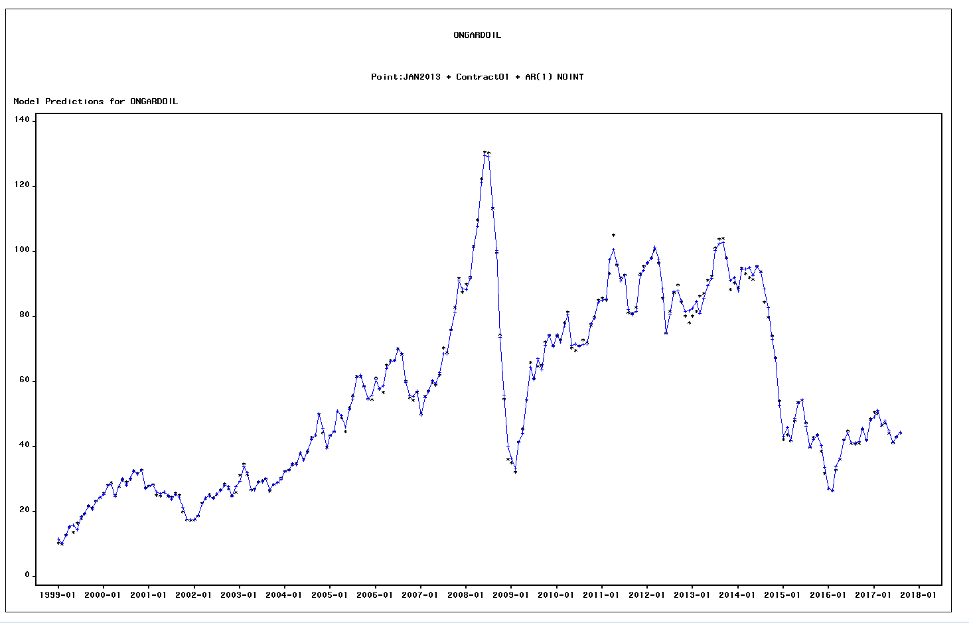

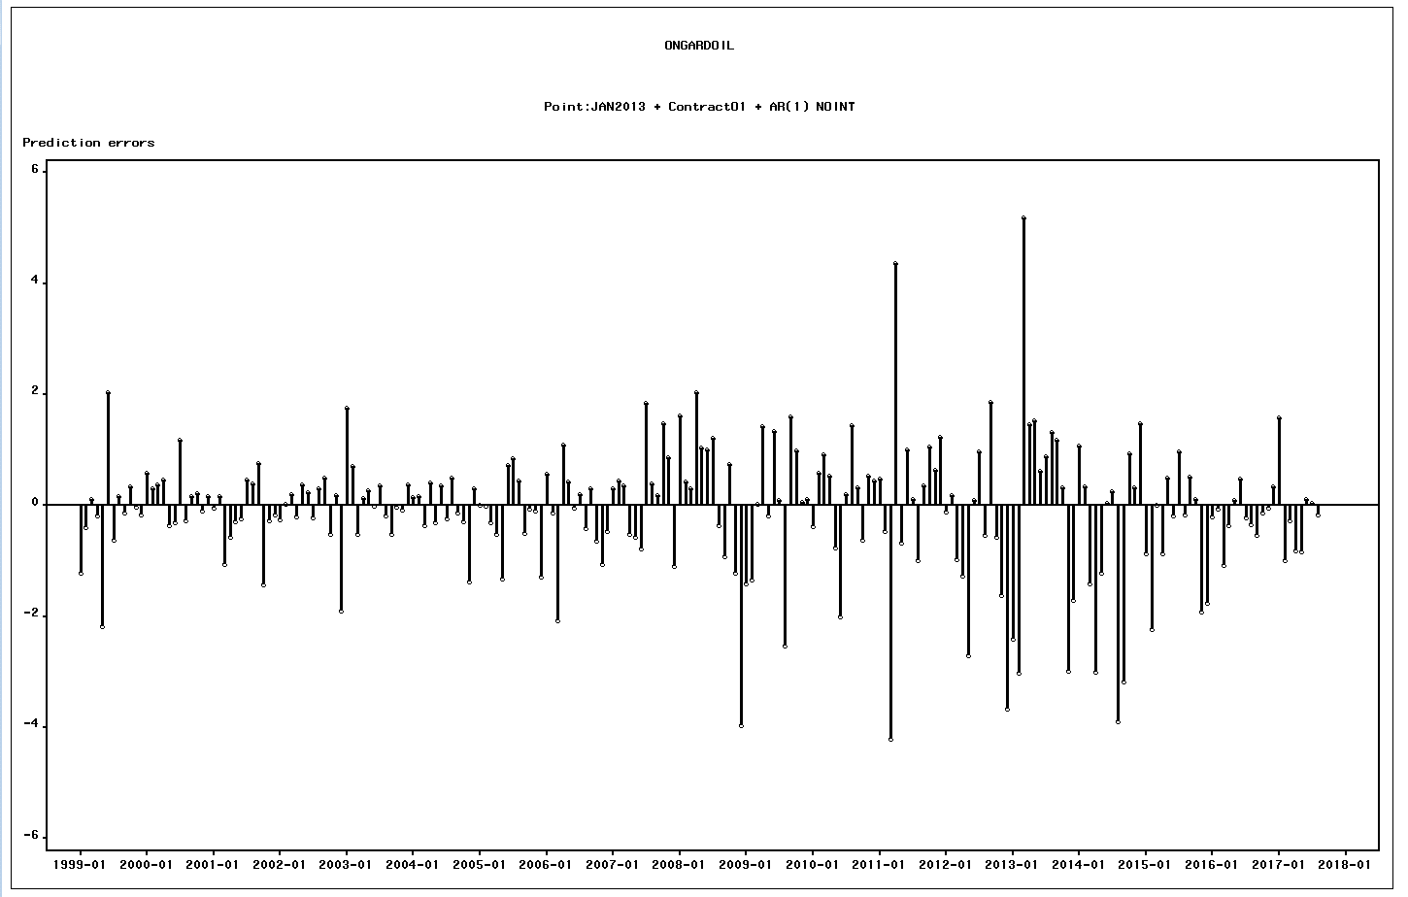

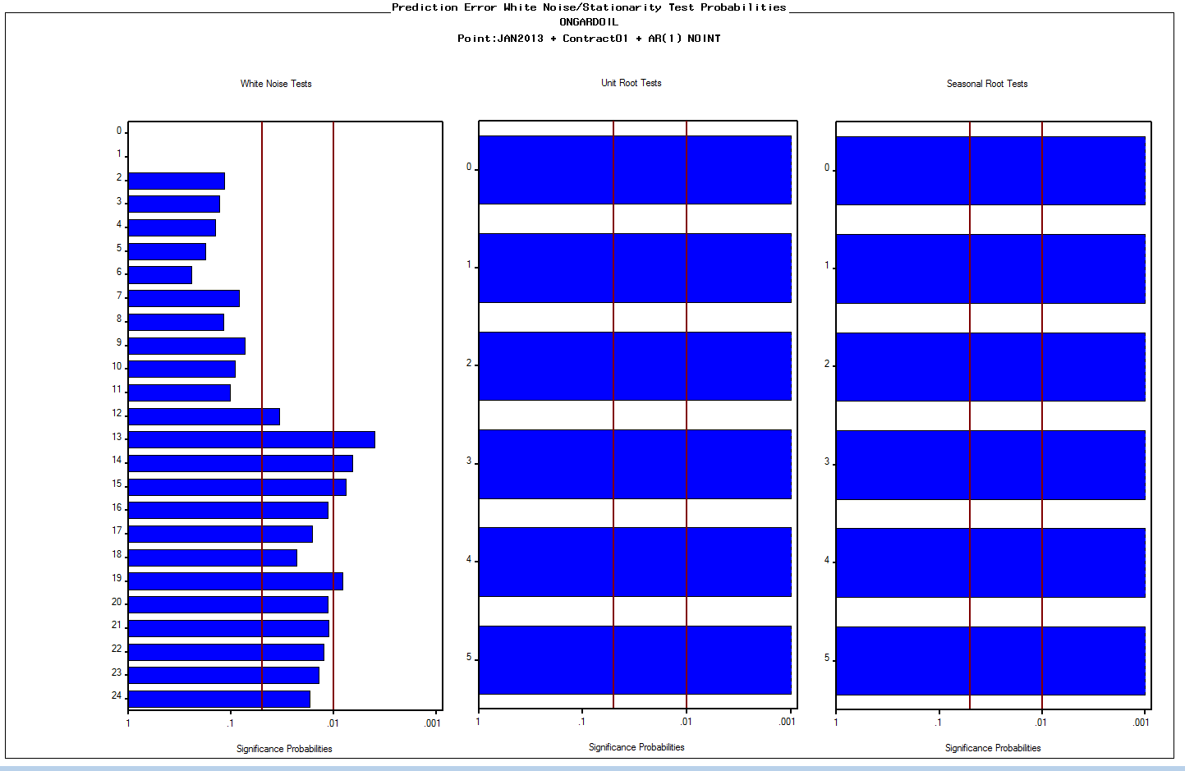

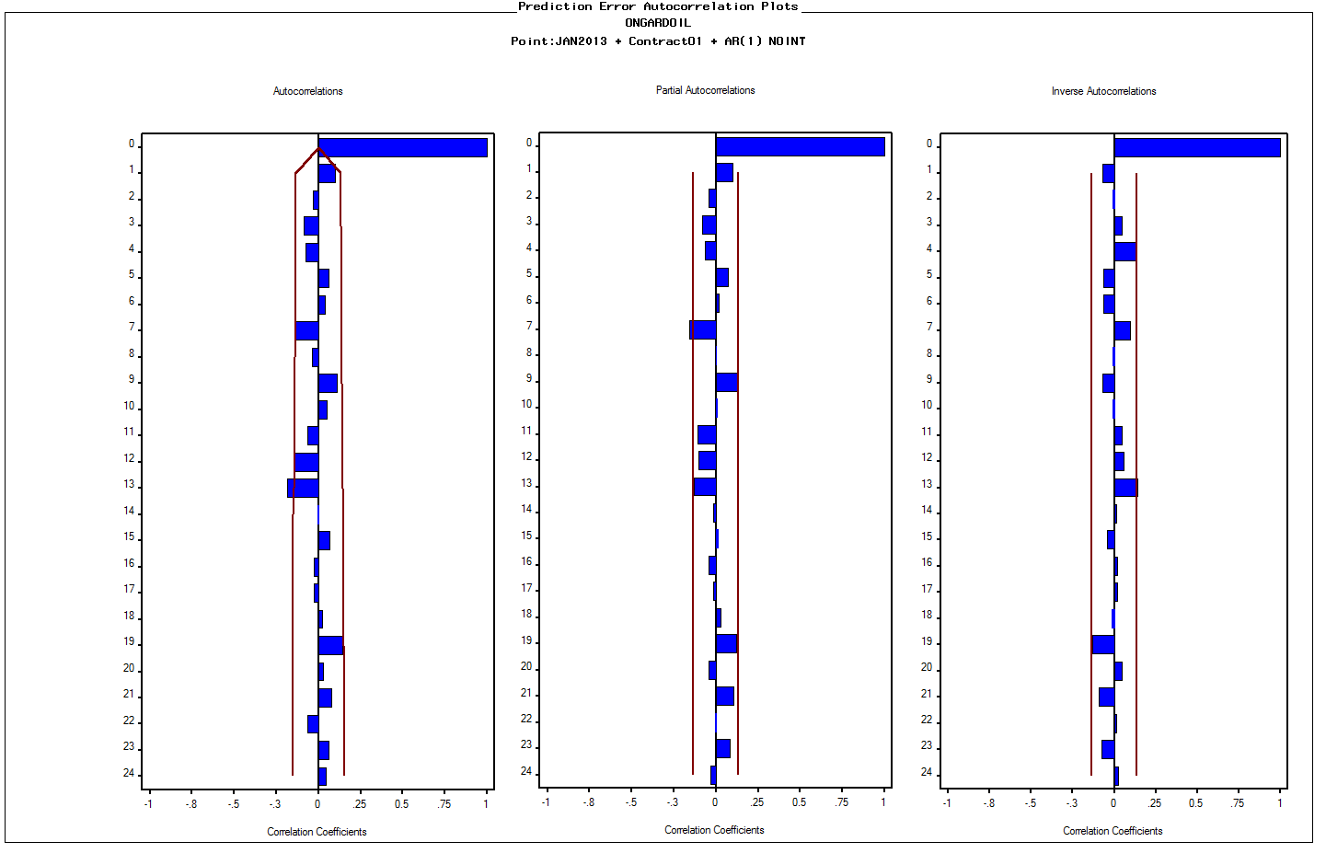
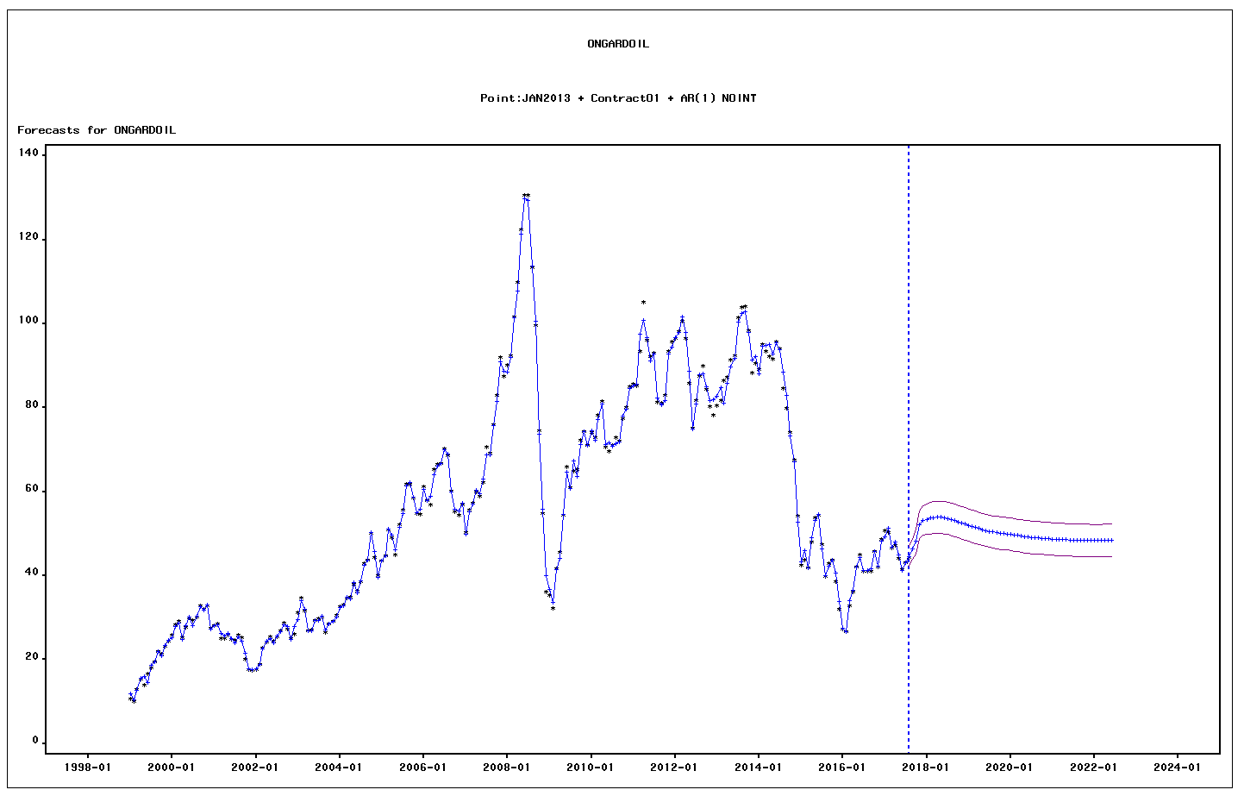

DATE | ACTUAL | PREDICT | UPPER | LOWER | ERROR | STD | NERROR | _INTV1_ | ContractO1
1999-01-01 | 10.554786796 | 11.780403791 | 15.652054798 | 7.9087527836 | -1.2256169948 | 1.9753684443 | -0.62044981955 | 0 | 12.486842105
1999-02-01 | 9.9653716984 | 10.359551946 | 12.678659839 | 8.0404440532 | -0.39418024785 | 1.1832400551 | -0.33313632864 | 0 | 12.021052632
1999-03-01 | 12.864159276 | 12.750026664 | 15.069134557 | 10.430918771 | 0.11413261151 | 1.1832400551 | 0.096457697671 | 0 | 14.682173913
1999-04-01 | 15.352482387 | 15.532862679 | 17.851970572 | 13.213754785 | -0.18038029182 | 1.1832400551 | -0.15244606625 | 0 | 17.302380952
1999-05-01 | 13.801159282 | 15.988064693 | 18.307172586 | 13.6689568 | -2.1869054112 | 1.1832400551 | -1.8482347701 | 0 | 17.771
1999-06-01 | 16.559237867 | 14.53239352 | 16.851501413 | 12.213285627 | 2.0268443471 | 1.1832400551 | 1.7129612358 | 0 | 17.92
1999-07-01 | 18.058126987 | 18.680990335 | 21.000098228 | 16.361882442 | -0.62286334841 | 1.1832400551 | -0.52640488777 | 0 | 20.095714286
1999-08-01 | 19.52073649 | 19.354013965 | 21.673121858 | 17.034906072 | 0.16672252466 | 1.1832400551 | 0.1409033813 | 0 | 21.279090909
1999-09-01 | 21.871168983 | 21.99917644 | 24.318284333 | 19.680068547 | -0.12800745692 | 1.1832400551 | -0.10818384348 | 0 | 23.789047619
1999-10-01 | 21.268557736 | 20.93389835 | 23.253006243 | 18.614790456 | 0.33465938661 | 1.1832400551 | 0.28283304404 | 0 | 22.674761905
1999-11-01 | 23.245973152 | 23.266541502 | 25.585649395 | 20.947433609 | -0.020568350671 | 1.1832400551 | -0.017383075042 | 0 | 24.7665
1999-12-01 | 24.347721565 | 24.517033545 | 26.836141438 | 22.197925652 | -0.16931197952 | 1.1832400551 | -0.14309182553 | 0 | 26.088571429
2000-01-01 | 25.848107207 | 25.273773787 | 27.59288168 | 22.954665894 | 0.57433342047 | 1.1832400551 | 0.48539044803 | 0 | 27.014210526
2000-02-01 | 28.2393995 | 27.930049474 | 30.249157367 | 25.61094158 | 0.30935002636 | 1.1832400551 | 0.26144316618 | 0 | 29.2975
2000-03-01 | 29.054558906 | 28.68305226 | 31.002160153 | 26.363944367 | 0.37150664653 | 1.1832400551 | 0.31397402828 | 0 | 29.894347826
2000-04-01 | 25.24255571 | 24.773922523 | 27.093030416 | 22.45481463 | 0.46863318647 | 1.1832400551 | 0.39605926494 | 0 | 25.536842105
2000-05-01 | 27.732950227 | 28.09745052 | 30.416558413 | 25.778342627 | -0.36450029278 | 1.1832400551 | -0.3080526992 | 0 | 28.805909091
2000-06-01 | 29.887848063 | 30.192000041 | 32.511107934 | 27.872892148 | -0.30415197774 | 1.1832400551 | -0.25705010275 | 0 | 31.53
2000-07-01 | 29.320248215 | 28.148549592 | 30.467657485 | 25.829441699 | 1.1716986227 | 1.1832400551 | 0.99024590797 | 0 | 29.716315789
2000-08-01 | 30.13730205 | 30.40527812 | 32.724386013 | 28.086170227 | -0.26797606979 | 1.1832400551 | -0.22647650292 | 0 | 31.137826087
2000-09-01 | 32.715016289 | 32.56042838 | 34.879536273 | 30.241320487 | 0.15458790936 | 1.1832400551 | 0.13064796843 | 0 | 33.867
2000-10-01 | 31.895682762 | 31.680938992 | 34.000046885 | 29.361831099 | 0.21474376967 | 1.1832400551 | 0.18148791426 | 0 | 32.932272727
2000-11-01 | 32.894221248 | 32.986437361 | 35.305545254 | 30.667329468 | -0.09221611276 | 1.1832400551 | -0.077935252751 | 0 | 34.263
2000-12-01 | 27.415280815 | 27.248003508 | 29.567111402 | 24.928895615 | 0.16727730666 | 1.1832400551 | 0.14137224812 | 0 | 28.3985
2001-01-01 | 28.062039243 | 28.1033778 | 30.422485693 | 25.784269907 | -0.041338556526 | 1.1832400551 | -0.034936745378 | 0 | 29.25952381
2001-02-01 | 28.492135018 | 28.334230564 | 30.653338457 | 26.015122671 | 0.15790445385 | 1.1832400551 | 0.13345090303 | 0 | 29.644736842
2001-03-01 | 25.092704975 | 26.148520942 | 28.467628835 | 23.829413049 | -1.0558159667 | 1.1832400551 | -0.89230918289 | 0 | 27.271363636
2001-04-01 | 24.975482347 | 25.549241553 | 27.868349446 | 23.23013366 | -0.57375920566 | 1.1832400551 | -0.48490515782 | 0 | 27.621
2001-05-01 | 25.898851332 | 26.194189914 | 28.513297807 | 23.875082021 | -0.29533858162 | 1.1832400551 | -0.24960157522 | 0 | 28.684090909
2001-06-01 | 24.854763259 | 25.093332881 | 27.412440774 | 22.774224988 | -0.23856962249 | 1.1832400551 | -0.20162402504 | 0 | 27.584761905
2001-07-01 | 24.493793441 | 24.033374931 | 26.352482824 | 21.714267038 | 0.46041851004 | 1.1832400551 | 0.3891167376 | 0 | 26.467142857
2001-08-01 | 25.779585897 | 25.382984542 | 27.702092435 | 23.063876649 | 0.3966013546 | 1.1832400551 | 0.33518249563 | 0 | 27.309130435
2001-09-01 | 25.145170609 | 24.382825422 | 26.701933315 | 22.063717529 | 0.76234518703 | 1.1832400551 | 0.64428615625 | 0 | 25.831875
2001-10-01 | 20.139444461 | 21.576300043 | 23.895407936 | 19.25719215 | -1.4368555819 | 1.1832400551 | -1.2143398761 | 0 | 22.212608696
2001-11-01 | 17.623867934 | 17.902896727 | 20.22200462 | 15.583788834 | -0.27902879271 | 1.1832400551 | -0.23581756847 | 0 | 19.6695
2001-12-01 | 17.383444822 | 17.558957386 | 19.878065279 | 15.239849493 | -0.17551256338 | 1.1832400551 | -0.14833216863 | 0 | 19.403684211
2002-01-01 | 17.622630827 | 17.874204662 | 20.193312555 | 15.555096769 | -0.25157383572 | 1.1832400551 | -0.21261436733 | 0 | 19.729047619
2002-02-01 | 18.809359436 | 18.788592008 | 21.107699901 | 16.469484115 | 0.020767427868 | 1.1832400551 | 0.017551322556 | 0 | 20.755789474
2002-03-01 | 22.634155698 | 22.440879819 | 24.759987712 | 20.121771926 | 0.19327587947 | 1.1832400551 | 0.16334460504 | 0 | 24.442
2002-04-01 | 24.22940896 | 24.432277946 | 26.751385839 | 22.113170053 | -0.2028689859 | 1.1832400551 | -0.17145209463 | 0 | 26.258181818
2002-05-01 | 25.371132372 | 24.993326804 | 27.312434697 | 22.674218911 | 0.37780556756 | 1.1832400551 | 0.31929747977 | 0 | 26.953181818
2002-06-01 | 24.28462912 | 24.054955072 | 26.374062965 | 21.735847179 | 0.22967404785 | 1.1832400551 | 0.1941060454 | 0 | 25.546
2002-07-01 | 25.337361671 | 25.563125371 | 27.882233264 | 23.244017478 | -0.22576369946 | 1.1832400551 | -0.19080126512 | 0 | 26.94
2002-08-01 | 26.840813227 | 26.541722301 | 28.860830194 | 24.222614408 | 0.29909092596 | 1.1832400551 | 0.25277282042 | 0 | 28.2
2002-09-01 | 28.674244496 | 28.180582489 | 30.499690382 | 25.861474596 | 0.49366200709 | 1.1832400551 | 0.41721204836 | 0 | 29.67
2002-10-01 | 27.264022736 | 27.776891455 | 30.095999348 | 25.457783562 | -0.51286871891 | 1.1832400551 | -0.43344435197 | 0 | 28.863043478
2002-11-01 | 24.907150469 | 24.734955611 | 27.054063504 | 22.415847718 | 0.17219485794 | 1.1832400551 | 0.14552825287 | 0 | 26.189473684
2002-12-01 | 25.994958675 | 27.89003547 | 30.209143363 | 25.570927577 | -1.8950767952 | 1.1832400551 | -1.6015995968 | 0 | 29.393333333
2003-01-01 | 31.2103444 | 29.459890695 | 31.778998588 | 27.140782802 | 1.7504537044 | 1.1832400551 | 1.4793732657 | 0 | 32.69952381
2003-02-01 | 34.701989154 | 34.000466076 | 36.319573969 | 31.681358183 | 0.7015230785 | 1.1832400551 | 0.59288313937 | 0 | 35.733157895
2003-03-01 | 31.559900436 | 32.073472448 | 34.392580341 | 29.754364555 | -0.51357201263 | 1.1832400551 | -0.43403873154 | 0 | 33.156190476
2003-04-01 | 26.90087056 | 26.767763971 | 29.086871864 | 24.448656078 | 0.13310658873 | 1.1832400551 | 0.11249330865 | 0 | 28.135714286
2003-05-01 | 27.029124697 | 26.768206683 | 29.087314576 | 24.44909879 | 0.26091801452 | 1.1832400551 | 0.22051147896 | 0 | 28.07047619
2003-06-01 | 29.217717112 | 29.230684072 | 31.549791965 | 26.911576179 | -0.012966959812 | 1.1832400551 | -0.010958858058 | 0 | 30.51952381
2003-07-01 | 29.666481479 | 29.305481454 | 31.624589347 | 26.98637356 | 0.36100002589 | 1.1832400551 | 0.305094494 | 0 | 30.702272727
2003-08-01 | 30.181433866 | 30.371015755 | 32.690123648 | 28.051907862 | -0.18958188865 | 1.1832400551 | -0.16022267657 | 0 | 31.597142857
2003-09-01 | 26.491988359 | 27.007509501 | 29.326617394 | 24.688401608 | -0.51552114249 | 1.1832400551 | -0.43568601339 | 0 | 28.311428571
2003-10-01 | 28.421909463 | 28.454099197 | 30.77320709 | 26.134991304 | -0.032189734104 | 1.1832400551 | -0.02720473666 | 0 | 30.345217391
2003-11-01 | 29.054119681 | 29.133737271 | 31.452845164 | 26.814629378 | -0.079617589991 | 1.1832400551 | -0.067287774486 | 0 | 31.056111111
2003-12-01 | 30.492731377 | 30.12775095 | 32.446858843 | 27.808643057 | 0.36498042762 | 1.1832400551 | 0.30845847895 | 0 | 32.142380952
2004-01-01 | 32.573134088 | 32.423646904 | 34.742754797 | 30.104539011 | 0.14948718346 | 1.1832400551 | 0.12633715603 | 0 | 34.224736842
2004-02-01 | 32.938371103 | 32.776108427 | 35.09521632 | 30.457000534 | 0.16226267594 | 1.1832400551 | 0.13713419795 | 0 | 34.5
2004-03-01 | 34.593563669 | 34.953388732 | 37.272496625 | 32.634280839 | -0.35982506256 | 1.1832400551 | -0.30410148897 | 0 | 36.71826087
2004-04-01 | 34.911831155 | 34.507156661 | 36.826264554 | 32.188048768 | 0.40467449441 | 1.1832400551 | 0.34200540513 | 0 | 36.616666667
2004-05-01 | 37.983859079 | 38.294840607 | 40.6139485 | 35.975732714 | -0.31098152784 | 1.1832400551 | -0.26282200852 | 0 | 40.28
2004-06-01 | 36.240243547 | 35.883021286 | 38.202129179 | 33.563913393 | 0.35722226115 | 1.1832400551 | 0.30190176508 | 0 | 38.04952381
2004-07-01 | 38.527055426 | 38.773887121 | 41.092995014 | 36.454779228 | -0.2468316949 | 1.1832400551 | -0.20860660847 | 0 | 40.807619048
2004-08-01 | 42.857230908 | 42.366872376 | 44.685980269 | 40.047764483 | 0.49035853238 | 1.1832400551 | 0.41442015951 | 0 | 44.883636364
2004-09-01 | 43.615750891 | 43.749396353 | 46.068504246 | 41.430288459 | -0.13364546187 | 1.1832400551 | -0.11294873031 | 0 | 45.937619048
2004-10-01 | 50.026471002 | 50.311883714 | 52.630991607 | 47.992775821 | -0.28541271204 | 1.1832400551 | -0.24121285516 | 0 | 53.093809524
2004-11-01 | 44.30060798 | 45.682108128 | 48.001216021 | 43.363000235 | -1.3815001488 | 1.1832400551 | -1.1675569491 | 0 | 48.4755
2004-12-01 | 39.957696311 | 39.661984756 | 41.981092649 | 37.342876863 | 0.29571155552 | 1.1832400551 | 0.24991678928 | 0 | 43.256190476
2005-01-01 | 43.528620353 | 43.519221465 | 45.838329358 | 41.200113572 | 0.0093988885731 | 1.1832400551 | 0.0079433488856 | 0 | 46.8515
2005-02-01 | 44.778223856 | 44.796244718 | 47.115352611 | 42.477136825 | -0.01802086228 | 1.1832400551 | -0.01523009824 | 0 | 48.053157895
2005-03-01 | 50.786736767 | 51.093405904 | 53.412513797 | 48.774298011 | -0.30666913734 | 1.1832400551 | -0.25917744757 | 0 | 54.629545455
2005-04-01 | 49.091367841 | 49.604557171 | 51.923665064 | 47.285449278 | -0.51318933023 | 1.1832400551 | -0.43371531247 | 0 | 53.217619048
2005-05-01 | 44.823773507 | 46.156296606 | 48.475404499 | 43.837188712 | -1.3325230981 | 1.1832400551 | -1.1261646293 | 0 | 49.870952381
2005-06-01 | 52.174975959 | 51.445360302 | 53.764468195 | 49.126252409 | 0.72961565751 | 1.1832400551 | 0.61662521849 | 0 | 56.419545455
2005-07-01 | 55.683223398 | 54.843711682 | 57.162819575 | 52.524603788 | 0.83951171626 | 1.1832400551 | 0.7095024485 | 0 | 59.026
2005-08-01 | 61.754005854 | 61.31377195 | 63.632879843 | 58.994664057 | 0.44023390429 | 1.1832400551 | 0.3720579796 | 0 | 64.993478261
2005-09-01 | 61.689910132 | 62.194564978 | 64.513672871 | 59.875457085 | -0.50465484532 | 1.1832400551 | -0.42650250314 | 0 | 65.552857143
2005-10-01 | 58.558478712 | 58.622179547 | 60.94128744 | 56.303071654 | -0.063700835186 | 1.1832400551 | -0.053835935414 | 0 | 62.268571429
2005-11-01 | 54.792838027 | 54.892308736 | 57.211416629 | 52.573200843 | -0.099470708188 | 1.1832400551 | -0.084066380071 | 0 | 58.343
2005-12-01 | 54.596645394 | 55.884662128 | 58.203770021 | 53.565554234 | -1.2880167335 | 1.1832400551 | -1.088550652 | 0 | 59.447619048
2006-01-01 | 61.207597447 | 60.638425593 | 62.957533487 | 58.3193177 | 0.56917185357 | 1.1832400551 | 0.48102821665 | 0 | 65.5375
2006-02-01 | 57.784937678 | 57.924179445 | 60.243287338 | 55.605071552 | -0.13924176693 | 1.1832400551 | -0.11767837501 | 0 | 61.925789474
2006-03-01 | 56.823281717 | 58.89338671 | 61.212494603 | 56.574278817 | -2.0701049934 | 1.1832400551 | -1.7495224105 | 0 | 62.966086957
2006-04-01 | 65.216115443 | 64.125361165 | 66.444469058 | 61.806253272 | 1.0907542778 | 1.1832400551 | 0.92183684375 | 0 | 70.161052632
2006-05-01 | 66.582024089 | 66.16510799 | 68.484215883 | 63.846000097 | 0.41691609873 | 1.1832400551 | 0.35235123839 | 0 | 70.960909091
2006-06-01 | 66.618781613 | 66.66275795 | 68.981865843 | 64.343650057 | -0.04397633682 | 1.1832400551 | -0.037166031213 | 0 | 70.969545455
2006-07-01 | 70.183493299 | 69.981629902 | 72.300737795 | 67.662522009 | 0.20186339695 | 1.1832400551 | 0.17060223416 | 0 | 74.463157895
2006-08-01 | 68.489735561 | 68.895206215 | 71.214314108 | 66.576098322 | -0.40547065431 | 1.1832400551 | -0.34267826935 | 0 | 73.083478261
2006-09-01 | 60.20990762 | 59.91256168 | 62.231669573 | 57.593453787 | 0.29734593962 | 1.1832400551 | 0.25129806782 | 0 | 63.895
2006-10-01 | 55.093641229 | 55.734916783 | 58.054024676 | 53.41580889 | -0.6412755547 | 1.1832400551 | -0.54196572532 | 0 | 59.136818182
2006-11-01 | 54.415992271 | 55.48374677 | 57.802854663 | 53.164638877 | -1.0677544984 | 1.1832400551 | -0.90239887824 | 0 | 59.403
2006-12-01 | 56.802163597 | 57.271713814 | 59.590821707 | 54.952605921 | -0.4695502173 | 1.1832400551 | -0.39683428167 | 0 | 62.0865
2007-01-01 | 50.170045723 | 49.859687477 | 52.17879537 | 47.540579584 | 0.31035824581 | 1.1832400551 | 0.26229524979 | 0 | 54.3535
2007-02-01 | 55.585755635 | 55.140474059 | 57.459581952 | 52.821366166 | 0.44528157615 | 1.1832400551 | 0.37632395407 | 0 | 59.387894737
2007-03-01 | 57.301204817 | 56.949920994 | 59.269028887 | 54.6308131 | 0.35128382395 | 1.1832400551 | 0.29688297183 | 0 | 60.740454545
2007-04-01 | 59.892473137 | 60.410880234 | 62.729988127 | 58.091772341 | -0.51840709789 | 1.1832400551 | -0.4381250412 | 0 | 64.036
2007-05-01 | 58.946260096 | 59.519709344 | 61.838817237 | 57.200601451 | -0.57344924861 | 1.1832400551 | -0.48464320164 | 0 | 63.530909091
2007-06-01 | 62.131588183 | 62.915993181 | 65.235101074 | 60.596885288 | -0.78440499832 | 1.1832400551 | -0.66292971991 | 0 | 67.52952381
2007-07-01 | 70.539453027 | 68.692273506 | 71.011381399 | 66.373165613 | 1.847179521 | 1.1832400551 | 1.5611198362 | 0 | 74.15047619
2007-08-01 | 69.12581332 | 68.732678143 | 71.051786036 | 66.41357025 | 0.39313517695 | 1.1832400551 | 0.33225310051 | 0 | 72.358695652
2007-09-01 | 75.994563848 | 75.810760577 | 78.12986847 | 73.491652684 | 0.18380327053 | 1.1832400551 | 0.15533895234 | 0 | 79.626315789
2007-10-01 | 82.988330192 | 81.511294482 | 83.830402375 | 79.192186589 | 1.4770357099 | 1.1832400551 | 1.2482975906 | 0 | 85.65826087
2007-11-01 | 91.882738861 | 91.020248474 | 93.339356368 | 88.701140581 | 0.86249038616 | 1.1832400551 | 0.72892257361 | 0 | 94.631428571
2007-12-01 | 87.533925152 | 88.638197697 | 90.957305591 | 86.319089804 | -1.1042725451 | 1.1832400551 | -0.93326163215 | 0 | 91.7425
2008-01-01 | 90.080190885 | 88.457737328 | 90.776845221 | 86.138629435 | 1.6224535578 | 1.1832400551 | 1.3711956004 | 0 | 92.929047619
2008-02-01 | 92.302889756 | 91.883330894 | 94.202438787 | 89.564223001 | 0.41955886283 | 1.1832400551 | 0.35458473623 | 0 | 95.349
2008-03-01 | 101.63201721 | 101.33624609 | 103.65535398 | 99.017138196 | 0.2957711245 | 1.1832400551 | 0.24996713323 | 0 | 105.42
2008-04-01 | 109.87207976 | 107.84271682 | 110.16182471 | 105.52360893 | 2.0293629396 | 1.1832400551 | 1.7150897917 | 0 | 112.46272727
2008-05-01 | 122.42592834 | 121.38114465 | 123.70025254 | 119.06203676 | 1.0447836839 | 1.1832400551 | 0.88298539198 | 0 | 125.45857143
2008-06-01 | 130.69235603 | 129.68898216 | 132.00809005 | 127.36987427 | 1.0033738682 | 1.1832400551 | 0.84798842283 | 0 | 134.01571429
2008-07-01 | 130.55822018 | 129.34273081 | 131.6618387 | 127.02362292 | 1.2154893725 | 1.1832400551 | 1.0272550927 | 0 | 133.48454545
2008-08-01 | 113.43020508 | 113.79039485 | 116.10950275 | 111.47128696 | -0.36018977853 | 1.1832400551 | -0.30440972394 | 0 | 116.68809524
2008-09-01 | 99.641086331 | 100.5708787 | 102.88998659 | 98.251770805 | -0.92979236739 | 1.1832400551 | -0.78580197093 | 0 | 103.76380952
2008-10-01 | 74.517676319 | 73.782739508 | 76.101847401 | 71.463631615 | 0.73493681121 | 1.1832400551 | 0.62112232259 | 0 | 76.723913043
2008-11-01 | 54.688843921 | 55.900461768 | 58.219569661 | 53.581353874 | -1.2116178469 | 1.1832400551 | -1.0239831231 | 0 | 57.441052632
2008-12-01 | 36.089117909 | 40.062118425 | 42.381226318 | 37.743010532 | -3.9730005167 | 1.1832400551 | -3.357729904 | 0 | 42.042272727
2009-01-01 | 35.269331493 | 36.689305445 | 39.008413338 | 34.370197552 | -1.4199739519 | 1.1832400551 | -1.2000725852 | 0 | 41.9235
2009-02-01 | 32.273992118 | 33.608284129 | 35.927392022 | 31.289176236 | -1.3342920112 | 1.1832400551 | -1.1276596034 | 0 | 39.258421053
2009-03-01 | 41.543968524 | 41.528442099 | 43.847549992 | 39.209334206 | 0.015526424878 | 1.1832400551 | 0.013121956792 | 0 | 48.061818182
2009-04-01 | 45.510247484 | 44.081778575 | 46.400886468 | 41.762670682 | 1.4284689089 | 1.1832400551 | 1.2072519881 | 0 | 49.94952381
2009-05-01 | 54.375367061 | 54.570642641 | 56.889750534 | 52.251534748 | -0.19527558033 | 1.1832400551 | -0.16503462631 | 0 | 59.2125
2009-06-01 | 65.893406325 | 64.561577011 | 66.880684904 | 62.242469118 | 1.3318293132 | 1.1832400551 | 1.1255782861 | 0 | 69.695454545
2009-07-01 | 60.853867947 | 60.768681892 | 63.087789785 | 58.449573999 | 0.085186055246 | 1.1832400551 | 0.07199389074 | 0 | 64.293181818
2009-08-01 | 64.747927162 | 67.272521367 | 69.59162926 | 64.953413474 | -2.5245942052 | 1.1832400551 | -2.1336280785 | 0 | 71.138571429
2009-09-01 | 65.246870881 | 63.643381631 | 65.962489524 | 61.324273738 | 1.6034892498 | 1.1832400551 | 1.3551681613 | 0 | 69.468095238
2009-10-01 | 72.28307591 | 71.30084973 | 73.619957623 | 68.981741837 | 0.98222617915 | 1.1832400551 | 0.8301157275 | 0 | 75.823636364
2009-11-01 | 74.387019991 | 74.323845453 | 76.642953346 | 72.00473756 | 0.063174538157 | 1.1832400551 | 0.0533911423 | 0 | 78.145
2009-12-01 | 71.025183836 | 70.913468177 | 73.23257607 | 68.594360284 | 0.11171565913 | 1.1832400551 | 0.09441504169 | 0 | 74.603181818
2010-01-01 | 74.108514211 | 74.481634216 | 76.800742109 | 72.162526323 | -0.3731200047 | 1.1832400551 | -0.31533753703 | 0 | 78.402631579
2010-02-01 | 72.824924498 | 72.240644687 | 74.55975258 | 69.921536794 | 0.58427981085 | 1.1832400551 | 0.49379651097 | 0 | 76.452631579
2010-03-01 | 78.162782552 | 77.24963038 | 79.568738273 | 74.930522487 | 0.91315217237 | 1.1832400551 | 0.77173872574 | 0 | 81.29
2010-04-01 | 81.492867282 | 80.968918428 | 83.288026321 | 78.649810535 | 0.52394885359 | 1.1832400551 | 0.44280858422 | 0 | 84.575238095
2010-05-01 | 70.525696587 | 71.287562341 | 73.606670234 | 68.968454448 | -0.76186575397 | 1.1832400551 | -0.64388096962 | 0 | 74.1175
2010-06-01 | 69.618563633 | 71.620106502 | 73.939214395 | 69.300998609 | -2.0015428687 | 1.1832400551 | -1.6915780193 | 0 | 75.404545455
2010-07-01 | 71.048314142 | 70.84438565 | 73.163493543 | 68.525277757 | 0.20392849116 | 1.1832400551 | 0.17234752177 | 0 | 76.382857143
2010-08-01 | 72.965291387 | 71.518091524 | 73.837199417 | 69.198983631 | 1.4471998624 | 1.1832400551 | 1.2230822107 | 0 | 76.666818182
2010-09-01 | 72.09678321 | 71.783612834 | 74.102720727 | 69.464504941 | 0.31317037599 | 1.1832400551 | 0.26467188517 | 0 | 75.548571429
2010-10-01 | 77.348524143 | 77.97175321 | 80.290861103 | 75.652645317 | -0.62322906764 | 1.1832400551 | -0.52671397064 | 0 | 81.94952381
2010-11-01 | 80.104124214 | 79.572923628 | 81.892031521 | 77.253815735 | 0.53120058617 | 1.1832400551 | 0.44893729204 | 0 | 84.314761905
2010-12-01 | 85.0680263 | 84.63281909 | 86.951926983 | 82.313711197 | 0.43520721062 | 1.1832400551 | 0.36780973459 | 0 | 89.233181818
2011-01-01 | 85.6952586 | 85.217836126 | 87.53694402 | 82.898728233 | 0.47742247305 | 1.1832400551 | 0.4034874166 | 0 | 89.5785
2011-02-01 | 85.13963838 | 85.614565291 | 87.933673184 | 83.295457398 | -0.47492691063 | 1.1832400551 | -0.40137832436 | 0 | 89.743157895
2011-03-01 | 93.316991476 | 97.5344645 | 99.853572393 | 95.215356607 | -4.2174730245 | 1.1832400551 | -3.5643426761 | 0 | 102.98130435
2011-04-01 | 105.09498288 | 100.73968288 | 103.05879078 | 98.420574991 | 4.3552999979 | 1.1832400551 | 3.6808253567 | 0 | 110.0385
2011-05-01 | 95.976621686 | 96.648910054 | 98.968017947 | 94.329802161 | -0.67228836846 | 1.1832400551 | -0.56817580301 | 0 | 101.35666667
2011-06-01 | 92.128413248 | 91.124745365 | 93.443853258 | 88.805637472 | 1.0036678827 | 1.1832400551 | 0.8482369054 | 0 | 96.288636364
2011-07-01 | 92.971688102 | 92.864281119 | 95.183389012 | 90.545173226 | 0.10740698321 | 1.1832400551 | 0.090773620069 | 0 | 97.3405
2011-08-01 | 81.374067835 | 82.367574586 | 84.686682479 | 80.048466693 | -0.99350675072 | 1.1832400551 | -0.83964935639 | 0 | 86.340869565
2011-09-01 | 81.055805751 | 80.700905279 | 83.020013172 | 78.381797386 | 0.35490047224 | 1.1832400551 | 0.29993953527 | 0 | 85.61
2011-10-01 | 82.833077274 | 81.77000302 | 84.089110913 | 79.450895127 | 1.0630742547 | 1.1832400551 | 0.89844343092 | 0 | 86.428095238
2011-11-01 | 93.331551523 | 92.702572907 | 95.021680801 | 90.383465014 | 0.6289786154 | 1.1832400551 | 0.53157312643 | 0 | 97.162857143
2011-12-01 | 95.570863103 | 94.332598812 | 96.651706706 | 92.013490919 | 1.2382642909 | 1.1832400551 | 1.0465030199 | 0 | 98.575714286
2012-01-01 | 96.577437003 | 96.702576966 | 99.021684859 | 94.383469073 | -0.1251399625 | 1.1832400551 | -0.10576041773 | 0 | 100.3185
2012-02-01 | 98.212243175 | 98.026025455 | 100.34513335 | 95.706917562 | 0.18621772017 | 1.1832400551 | 0.15737949317 | 0 | 102.2625
2012-03-01 | 100.60522185 | 101.58596017 | 103.90506806 | 99.266852275 | -0.98073831764 | 1.1832400551 | -0.82885828063 | 0 | 106.205
2012-04-01 | 96.546634512 | 97.826529884 | 100.14563778 | 95.507421991 | -1.2798953727 | 1.1832400551 | -1.0816869892 | 0 | 103.346
2012-05-01 | 85.882741303 | 88.59459315 | 90.913701043 | 86.275485256 | -2.7118518461 | 1.1832400551 | -2.2918864472 | 0 | 94.715909091
2012-06-01 | 75.062145939 | 74.960862079 | 77.279969972 | 72.641754186 | 0.10128385986 | 1.1832400551 | 0.085598741716 | 0 | 82.405238095
2012-07-01 | 81.777504431 | 80.809889872 | 83.128997765 | 78.490781979 | 0.96761455829 | 1.1832400551 | 0.81776690547 | 0 | 87.931428571
2012-08-01 | 87.360201184 | 87.889478829 | 90.208586722 | 85.570370936 | -0.52927764493 | 1.1832400551 | -0.44731214317 | 0 | 94.160869565
2012-09-01 | 89.886668249 | 88.028865114 | 90.347973007 | 85.709757221 | 1.8578031348 | 1.1832400551 | 1.5700982457 | 0 | 94.558421053
2012-10-01 | 84.466309173 | 85.046224018 | 87.365331911 | 82.727116125 | -0.57991484513 | 1.1832400551 | -0.49010751675 | 0 | 89.570869565
2012-11-01 | 80.174547 | 81.795803626 | 84.114911519 | 79.476695733 | -1.621256626 | 1.1832400551 | -1.3701840291 | 0 | 86.732380952
2012-12-01 | 78.257839604 | 81.931018299 | 84.250126192 | 79.611910405 | -3.6731786943 | 1.1832400551 | -3.104339376 | 0 | 88.2455
2013-01-01 | 80.368421942 | 82.784922804 | 85.104030697 | 80.465814911 | -2.4165008618 | 1.1832400551 | -2.04227439 | 1 | 94.828571429
2013-02-01 | 81.773076568 | 84.790843674 | 87.109951567 | 82.471735781 | -3.0177671061 | 1.1832400551 | -2.5504267651 | 0 | 95.321578947
2013-03-01 | 86.356911512 | 81.167290612 | 83.486398505 | 78.848182719 | 5.1896208996 | 1.1832400551 | 4.3859408555 | 0 | 92.957
2013-04-01 | 87.240114984 | 85.785158036 | 88.104265929 | 83.466050143 | 1.4549569479 | 1.1832400551 | 1.229638011 | 0 | 92.067727273
2013-05-01 | 91.269647695 | 89.741451021 | 92.060558914 | 87.422343128 | 1.5281966732 | 1.1832400551 | 1.2915356158 | 0 | 94.799545455
2013-06-01 | 92.460385755 | 91.848680711 | 94.167788604 | 89.529572818 | 0.61170504421 | 1.1832400551 | 0.51697459156 | 0 | 95.8005
2013-07-01 | 101.32072526 | 100.44072322 | 102.75983111 | 98.121615324 | 0.88000204606 | 1.1832400551 | 0.74372232605 | 0 | 104.69863636
2013-08-01 | 103.86097885 | 102.54946512 | 104.86857301 | 100.23035722 | 1.3115137326 | 1.1832400551 | 1.1084088364 | 0 | 106.53863636
2013-09-01 | 104.09006465 | 102.90709176 | 105.22619966 | 100.58798387 | 1.1829728837 | 1.1832400551 | 0.99977420359 | 0 | 106.235
2013-10-01 | 98.272811858 | 97.959002073 | 100.27810997 | 95.639894179 | 0.31380978525 | 1.1832400551 | 0.26521227362 | 0 | 100.5526087
2013-11-01 | 88.366863933 | 91.347064803 | 93.666172696 | 89.02795691 | -2.9802008703 | 1.1832400551 | -2.5186781477 | 0 | 93.9315
2013-12-01 | 90.45053995 | 92.155367876 | 94.474475769 | 89.836259983 | -1.7048279265 | 1.1832400551 | -1.4408132307 | 0 | 97.894285714
2014-01-01 | 89.038448116 | 87.964424565 | 90.283532458 | 85.645316672 | 1.0740235512 | 1.1832400551 | 0.90769708697 | 0 | 94.856666667
2014-02-01 | 94.960897599 | 94.617868194 | 96.936976087 | 92.298760301 | 0.34302940502 | 1.1832400551 | 0.28990685664 | 0 | 100.67526316
2014-03-01 | 93.394130472 | 94.807811806 | 97.126919699 | 92.488703913 | -1.413681334 | 1.1832400551 | -1.1947544607 | 0 | 100.50904762
2014-04-01 | 92.111047881 | 95.118186151 | 97.437294044 | 92.799078258 | -3.0071382701 | 1.1832400551 | -2.5414439421 | 0 | 102.0347619
2014-05-01 | 91.497367444 | 92.711734897 | 95.03084279 | 90.392627004 | -1.2143674533 | 1.1832400551 | -1.0263069172 | 0 | 101.7947619
2014-06-01 | 95.61133814 | 95.563909361 | 97.883017254 | 93.244801467 | 0.047428779203 | 1.1832400551 | 0.040083818155 | 0 | 105.14666667
2014-07-01 | 93.972721289 | 93.726989185 | 96.046097078 | 91.407881291 | 0.24573210433 | 1.1832400551 | 0.20767730375 | 0 | 102.39181818
2014-08-01 | 84.644126239 | 88.537688806 | 90.856796699 | 86.218580913 | -3.8935625669 | 1.1832400551 | -3.2905939501 | 0 | 96.076190476
2014-09-01 | 79.79344479 | 82.969129772 | 85.288237666 | 80.650021879 | -3.1756849825 | 1.1832400551 | -2.683889012 | 0 | 93.034285714
2014-10-01 | 74.116290034 | 73.179714594 | 75.498822487 | 70.860606701 | 0.93657543976 | 1.1832400551 | 0.79153459665 | 0 | 84.339130435
2014-11-01 | 67.475579628 | 67.155874293 | 69.474982186 | 64.8367664 | 0.31970533573 | 1.1832400551 | 0.27019482171 | 0 | 75.81
2014-12-01 | 54.171336343 | 52.695824381 | 55.014932274 | 50.376716488 | 1.4755119611 | 1.1832400551 | 1.2470098141 | 0 | 59.289545455
2015-01-01 | 42.367454952 | 43.235612342 | 45.554720235 | 40.916504449 | -0.86815738995 | 1.1832400551 | -0.73371196842 | 0 | 47.3255
2015-02-01 | 43.790007945 | 46.028792753 | 48.347900646 | 43.70968486 | -2.2387848078 | 1.1832400551 | -1.8920799699 | 0 | 50.724736842
2015-03-01 | 41.904423503 | 41.891713503 | 44.210821396 | 39.57260561 | 0.012709999944 | 1.1832400551 | 0.010741691755 | 0 | 47.854090909
2015-04-01 | 48.065784802 | 48.941223712 | 51.260331605 | 46.622115819 | -0.87543891085 | 1.1832400551 | -0.73986585146 | 0 | 54.628095238
2015-05-01 | 53.728364042 | 53.233046495 | 55.552154388 | 50.913938601 | 0.4953175476 | 1.1832400551 | 0.41861120697 | 0 | 59.372
2015-06-01 | 54.431845814 | 54.614387764 | 56.933495657 | 52.295279871 | -0.1825419497 | 1.1832400551 | -0.15427296339 | 0 | 59.828636364
2015-07-01 | 47.403138061 | 46.437536723 | 48.756644616 | 44.11842883 | 0.96560133823 | 1.1832400551 | 0.81606545863 | 0 | 50.93
2015-08-01 | 39.784533252 | 39.945717932 | 42.264825826 | 37.626610039 | -0.16118468051 | 1.1832400551 | -0.13622314408 | 0 | 42.889047619
2015-09-01 | 42.859096551 | 42.350083969 | 44.669191863 | 40.030976076 | 0.50901258185 | 1.1832400551 | 0.4301853877 | 0 | 45.465238095
2015-10-01 | 43.721384183 | 43.607126459 | 45.926234352 | 41.288018566 | 0.11425772457 | 1.1832400551 | 0.096563435351 | 0 | 46.250952381
2015-11-01 | 38.646165568 | 40.564014907 | 42.8831228 | 38.244907014 | -1.9178493392 | 1.1832400551 | -1.6208455173 | 0 | 42.922631579
2015-12-01 | 31.976827066 | 33.735600666 | 36.054708559 | 31.416492773 | -1.7587736001 | 1.1832400551 | -1.4864047177 | 0 | 37.327272727
2016-01-01 | 27.179285909 | 27.384717988 | 29.703825881 | 25.065610095 | -0.20543207878 | 1.1832400551 | -0.17361825937 | 0 | 31.775789474
2016-02-01 | 26.579370891 | 26.64324053 | 28.962348423 | 24.324132637 | -0.063869638776 | 1.1832400551 | -0.053978597581 | 0 | 30.6165
2016-03-01 | 32.881045043 | 33.967543878 | 36.286651771 | 31.648435985 | -1.0864988358 | 1.1832400551 | -0.91824041205 | 0 | 37.960909091
2016-04-01 | 36.086912558 | 36.450149537 | 38.76925743 | 34.131041644 | -0.36323697873 | 1.1832400551 | -0.3069850257 | 0 | 41.124761905
2016-05-01 | 42.065073895 | 41.978141241 | 44.297249134 | 39.659033348 | 0.086932653806 | 1.1832400551 | 0.07347000588 | 0 | 46.796666667
2016-06-01 | 44.876827346 | 44.406261791 | 46.725369684 | 42.087153898 | 0.47056555491 | 1.1832400551 | 0.39769238109 | 0 | 48.838095238
2016-07-01 | 41.084260983 | 41.305468261 | 43.624576154 | 38.986360368 | -0.22120727752 | 1.1832400551 | -0.18695046417 | 0 | 44.7995
2016-08-01 | 40.981666016 | 41.3191703 | 43.638278194 | 39.000062407 | -0.33750428496 | 1.1832400551 | -0.28523737301 | 0 | 44.799130435
2016-09-01 | 41.099760729 | 41.639746481 | 43.958854374 | 39.320638588 | -0.53998575232 | 1.1832400551 | -0.45636196137 | 0 | 45.225714286
2016-10-01 | 45.658745591 | 45.793113943 | 48.112221836 | 43.47400605 | -0.13436835225 | 1.1832400551 | -0.11355967174 | 0 | 49.8695
2016-11-01 | 42.110408646 | 42.164836109 | 44.483944002 | 39.845728216 | -0.05442746246 | 1.1832400551 | -0.04599866462 | 0 | 45.872631579
2016-12-01 | 48.615285513 | 48.279985274 | 50.599093168 | 45.960877381 | 0.33530023868 | 1.1832400551 | 0.28337465186 | 0 | 52.165714286
2017-01-01 | 50.740608594 | 49.152405408 | 51.471513301 | 46.833297515 | 1.5882031855 | 1.1832400551 | 1.3422493421 | 0 | 52.6085
2017-02-01 | 50.336533395 | 51.325071193 | 53.644179086 | 49.0059633 | -0.98853779831 | 1.1832400551 | -0.83544991065 | 0 | 53.462105263
2017-03-01 | 46.514783298 | 46.782775597 | 49.10188349 | 44.463667703 | -0.26799229834 | 1.1832400551 | -0.22649021826 | 0 | 49.673913043
2017-04-01 | 47.131790775 | 47.946083124 | 50.265191017 | 45.626975231 | -0.81429234846 | 1.1832400551 | -0.6881886266 | 0 | 51.117368421
2017-05-01 | 44.075393025 | 44.91771208 | 47.236819973 | 42.598604187 | -0.84231905457 | 1.1832400551 | -0.71187503409 | 0 | 48.539545455
2017-06-01 | 41.379947885 | 41.263240323 | 43.582348216 | 38.94413243 | 0.11670756198 | 1.1832400551 | 0.098633883698 | 0 | 45.195909091
2017-07-01 | 43.061444845 | 43.026218053 | 45.345325946 | 40.70711016 | 0.035226792331 | 1.1832400551 | 0.029771467065 | 0 | 46.675 | 43.320409413
2017-08-01 | 44.3851 | 44.559894222 | 46.879002115 | 42.240786329 | -0.17479422235 | 1.1832400551 | -0.14772507201 | 0 | 48.057826087 | 50.786970296 | 17.2%
2017-09-01 |  | 46.291412925 | 48.610520818 | 43.972305032 |  | 1.1832400551 |  | 0 | 49.877 | 56.69 | 11.6%
2017-10-01 |  | 48.154481622 | 51.125477359 | 45.183485885 |  | 1.5158420055 |  | 0 | 51.69047619
2017-11-01 |  | 52.159036948 | 55.481391085 | 48.836682811 |  | 1.6951097891 |  | 0 | 55.806
2017-12-01 |  | 53.137780357 | 56.667068882 | 49.608491833 |  | 1.8006904984 |  | 0 | 56.74
2018-01-01 |  | 53.442343032 | 57.098160347 | 49.786525718 |  | 1.8652471899 |  | 0 | 56.98
2018-02-01 |  | 53.674730764 | 57.409423782 | 49.940037745 |  | 1.9054906358 |  | 0 | 57.16
2018-03-01 |  | 53.838045741 | 57.622449151 | 50.05364233 |  | 1.9308535462 |  | 0 | 57.28
2018-04-01 |  | 53.925337791 | 57.741274901 | 50.10940068 |  | 1.9469424645 |  | 0 | 57.33
2018-05-01 |  | 53.910293283 | 57.746313487 | 50.07427308 |  | 1.957189129 |  | 0 | 57.28
2018-06-01 |  | 53.794505018 | 57.643347411 | 49.945662625 |  | 1.9637311826 |  | 0 | 57.13
2018-07-01 |  | 53.607551191 | 57.464592775 | 49.750509608 |  | 1.96791452 |  | 0 | 56.91
2018-08-01 |  | 53.369321618 | 57.231611384 | 49.507031852 |  | 1.9705922133 |  | 0 | 56.64
2018-09-01 |  | 53.099502618 | 56.965153782 | 49.233851453 |  | 1.9723072439 |  | 0 | 56.34
2018-10-01 |  | 52.827051816 | 56.69485678 | 48.959246852 |  | 1.9734061414 |  | 0 | 56.04
2018-11-01 |  | 52.552493597 | 56.421678952 | 48.683308242 |  | 1.9741104353 |  | 0 | 55.74
2018-12-01 |  | 52.285682114 | 56.15575232 | 48.415611909 |  | 1.9745618981 |  | 0 | 55.45
2019-01-01 |  | 51.998650843 | 55.86928831 | 48.128013375 |  | 1.9748513228 |  | 0 | 55.14
2019-02-01 |  | 51.710537531 | 55.581538685 | 47.839536377 |  | 1.9750368803 |  | 0 | 54.83
2019-03-01 |  | 51.449860536 | 55.321094868 | 47.578626204 |  | 1.9751558511 |  | 0 | 54.55
2019-04-01 |  | 51.207358242 | 55.078742081 | 47.335974402 |  | 1.9752321317 |  | 0 | 54.29
2019-05-01 |  | 50.973734635 | 54.845214335 | 47.102254934 |  | 1.9752810414 |  | 0 | 54.04
2019-06-01 |  | 50.767968918 | 54.639510084 | 46.896427753 |  | 1.9753124018 |  | 0 | 53.82
2019-07-01 |  | 50.552412718 | 54.423993295 | 46.680832141 |  | 1.9753325099 |  | 0 | 53.59
2019-08-01 |  | 50.37430828 | 54.245914128 | 46.502702433 |  | 1.9753454032 |  | 0 | 53.4
2019-09-01 |  | 50.224278189 | 54.095900239 | 46.352656138 |  | 1.9753536703 |  | 0 | 53.24
2019-10-01 |  | 50.102367954 | 53.974000394 | 46.230735514 |  | 1.9753589712 |  | 0 | 53.11
2019-11-01 |  | 50.00861402 | 53.880253122 | 46.136974918 |  | 1.9753623701 |  | 0 | 53.01
2019-12-01 |  | 49.924177061 | 53.795820434 | 46.052533687 |  | 1.9753645495 |  | 0 | 52.92
2020-01-01 |  | 49.783040668 | 53.65468678 | 45.911394556 |  | 1.975365947 |  | 0 | 52.77
2020-02-01 |  | 49.679566091 | 53.551213959 | 45.807918222 |  | 1.975366843 |  | 0 | 52.66
2020-03-01 |  | 49.566597044 | 53.438246039 | 45.694948049 |  | 1.9753674176 |  | 0 | 52.54
2020-04-01 |  | 49.434711271 | 53.306360988 | 45.563061555 |  | 1.975367786 |  | 0 | 52.4
2020-05-01 |  | 49.274484127 | 53.146134306 | 45.402833947 |  | 1.9753680222 |  | 0 | 52.23
2020-06-01 |  | 49.180265841 | 53.051916318 | 45.308615365 |  | 1.9753681736 |  | 0 | 52.13
2020-07-01 |  | 49.067154291 | 52.938804958 | 45.195503624 |  | 1.9753682708 |  | 0 | 52.01
2020-08-01 |  | 49.048365455 | 52.920016244 | 45.176714666 |  | 1.975368333 |  | 0 | 51.99
2020-09-01 |  | 48.972955221 | 52.844606088 | 45.101304354 |  | 1.975368373 |  | 0 | 51.91
2020-10-01 |  | 48.897532276 | 52.769183193 | 45.025881358 |  | 1.9753683986 |  | 0 | 51.83
2020-11-01 |  | 48.822099152 | 52.693750101 | 44.950448202 |  | 1.975368415 |  | 0 | 51.75
2020-12-01 |  | 48.784394893 | 52.656045863 | 44.912743922 |  | 1.9753684255 |  | 0 | 51.71
2021-01-01 |  | 48.699512838 | 52.571163821 | 44.827861854 |  | 1.9753684323 |  | 0 | 51.62
2021-02-01 |  | 48.671231079 | 52.542882071 | 44.799580087 |  | 1.9753684366 |  | 0 | 51.59
2021-03-01 |  | 48.642945136 | 52.514596134 | 44.771294139 |  | 1.9753684394 |  | 0 | 51.56
2021-04-01 |  | 48.605221588 | 52.476872589 | 44.733570587 |  | 1.9753684411 |  | 0 | 51.52
2021-05-01 |  | 48.539192596 | 52.410843599 | 44.667541592 |  | 1.9753684423 |  | 0 | 51.45
2021-06-01 |  | 48.510898469 | 52.382549474 | 44.639247465 |  | 1.975368443 |  | 0 | 51.42
2021-07-01 |  | 48.473168369 | 52.344819374 | 44.601517363 |  | 1.9753684435 |  | 0 | 51.38
2021-08-01 |  | 48.454305398 | 52.325956404 | 44.582654392 |  | 1.9753684438 |  | 0 | 51.36
2021-09-01 |  | 48.397704309 | 52.269355315 | 44.526053302 |  | 1.975368444 |  | 0 | 51.3
2021-10-01 |  | 48.369405098 | 52.241056104 | 44.497754091 |  | 1.9753684441 |  | 0 | 51.27
2021-11-01 |  | 48.350539433 | 52.22219044 | 44.478888426 |  | 1.9753684442 |  | 0 | 51.25
...

Oil Price Model 2_Dec2017
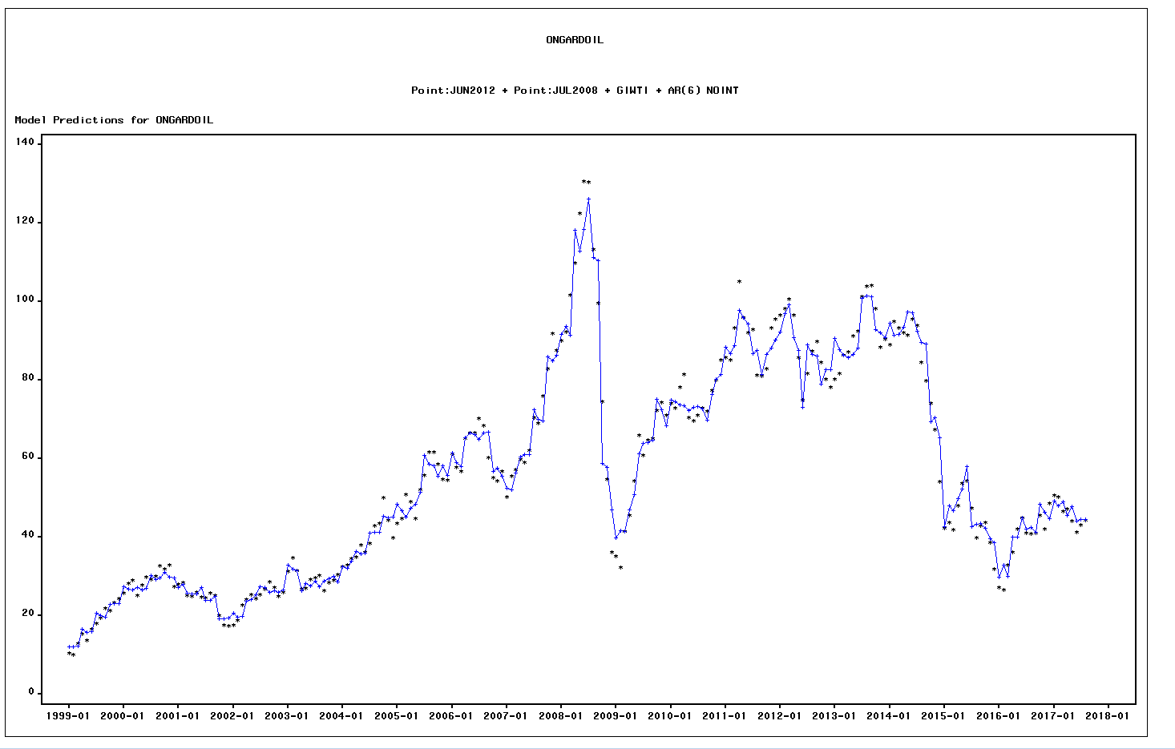

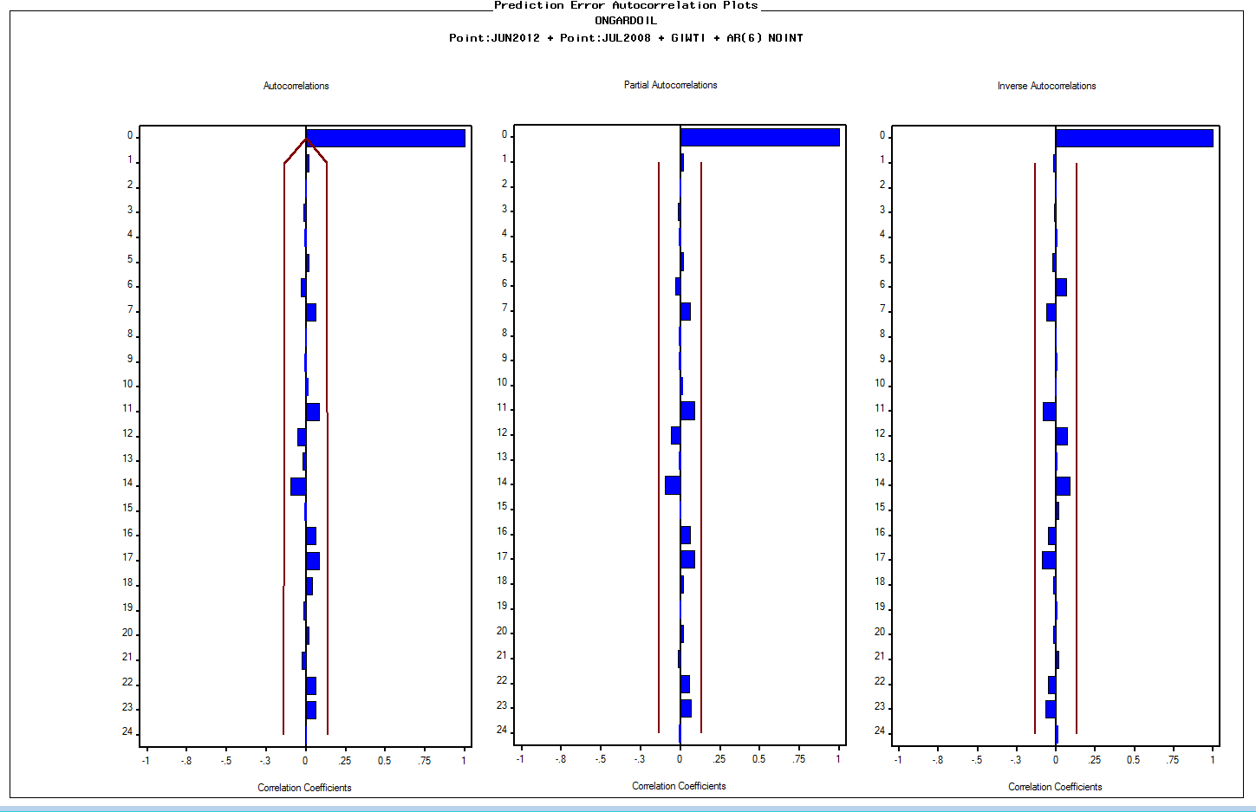

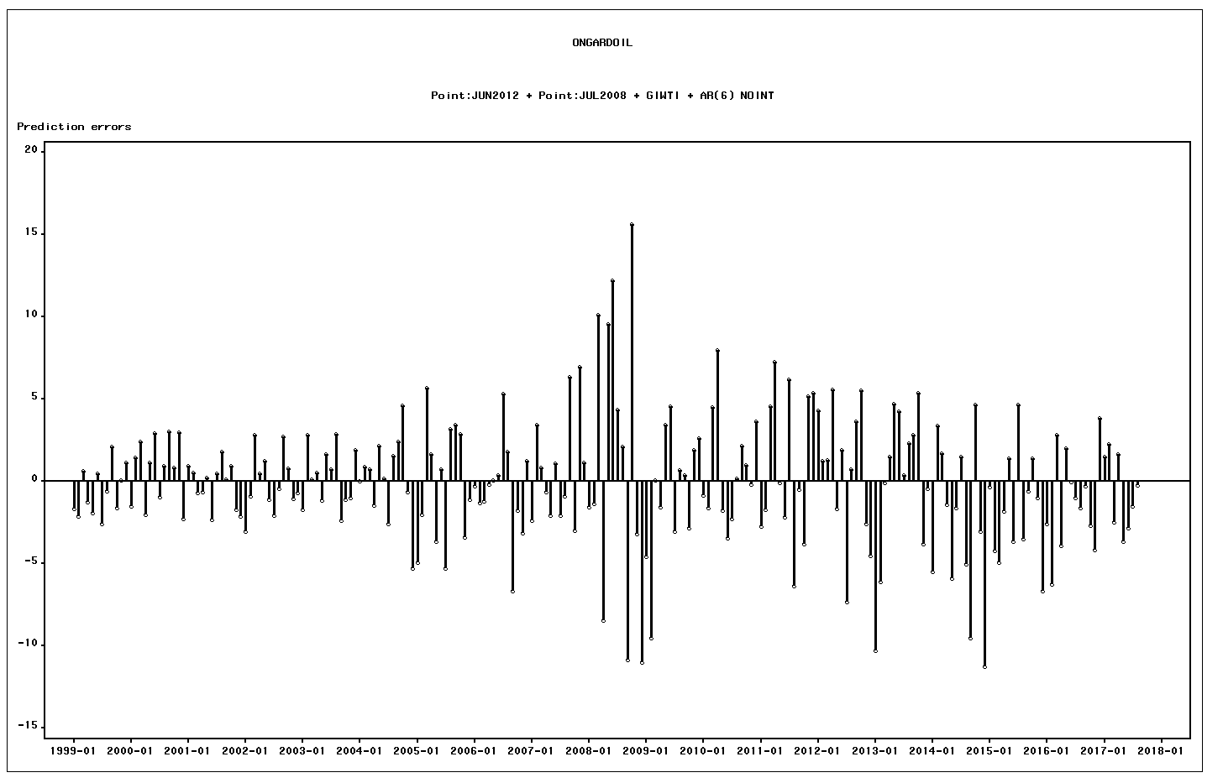

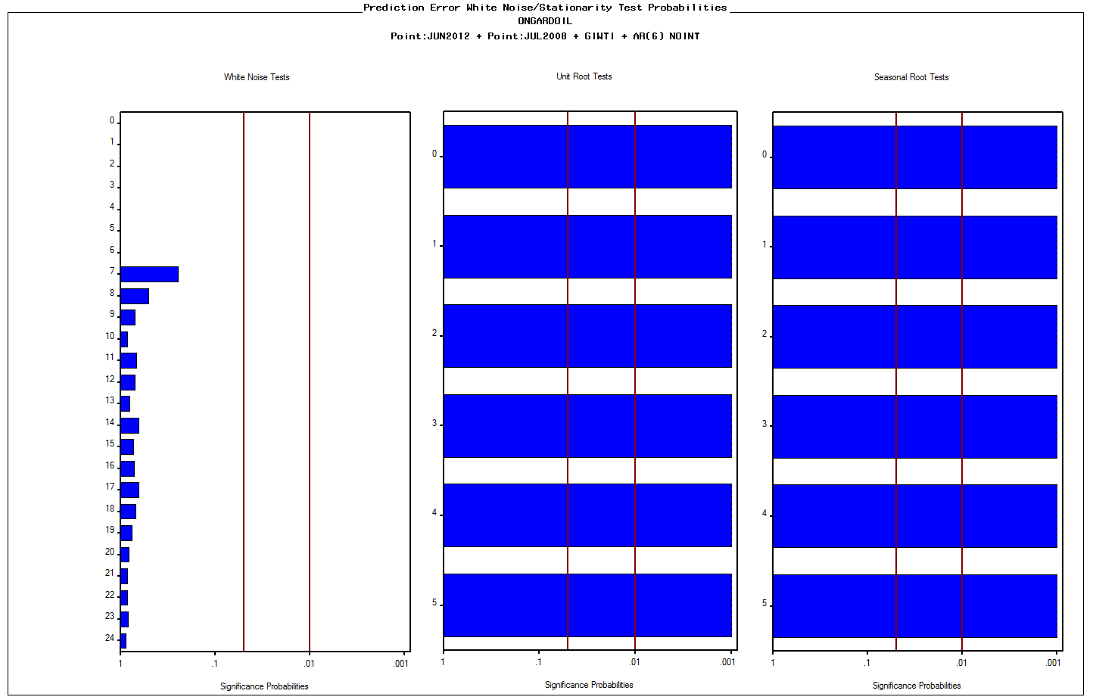
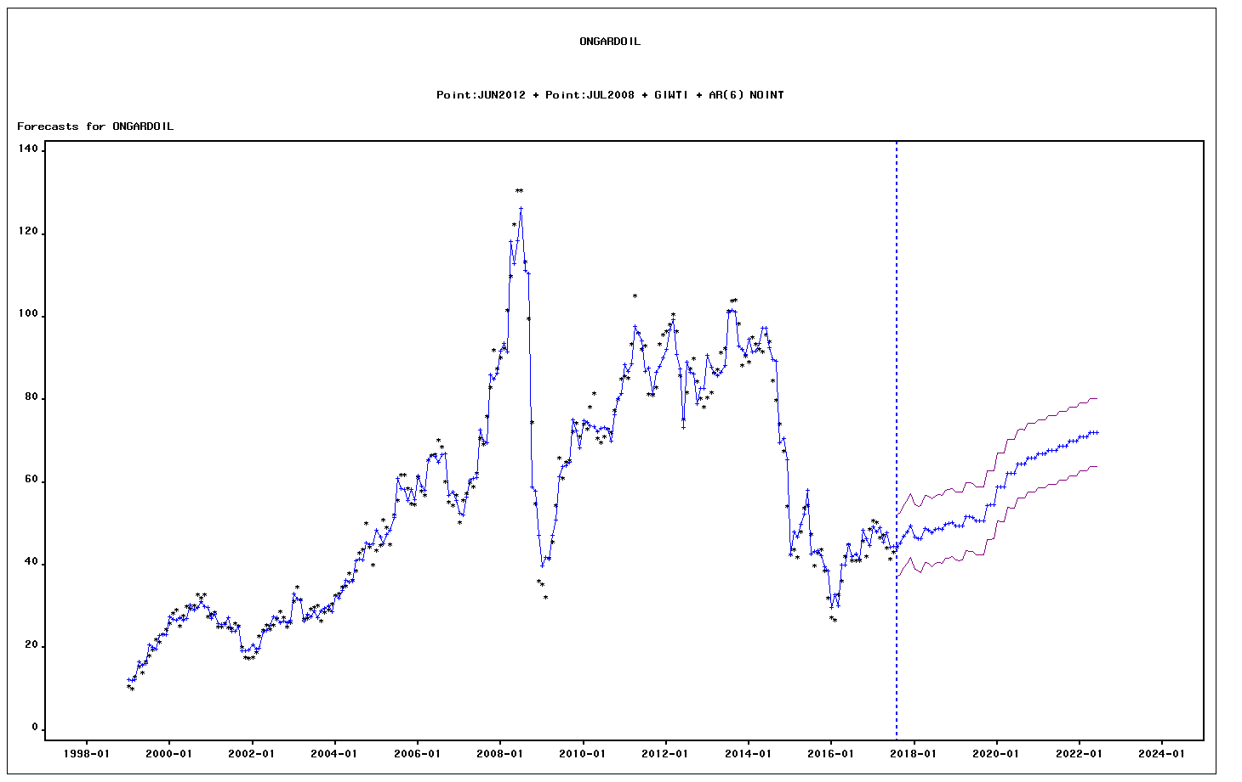

DATE | ACTUAL | PREDICT | UPPER | LOWER | ERROR | STD | NERROR | _INTV1_ | _INTV2_ | GIWTI
1999-01-01 | 10.554786796 | 12.204748528 | 20.475321537 | 3.9341755195 | -1.6499617326 | 4.2197576456 | -0.39100864817 | 0 | 0 | 13.01
1999-02-01 | 9.9653716984 | 12.080442723 | 20.327510841 | 3.8333746061 | -2.115071025 | 4.2077651337 | -0.50265900254 | 0 | 0 | 13.01
1999-03-01 | 12.864159276 | 12.227643574 | 20.405423106 | 4.0498640415 | 0.63651570211 | 4.172413165 | 0.15255337306 | 0 | 0 | 13.01
1999-04-01 | 15.352482387 | 16.592731901 | 24.658977063 | 8.5264867392 | -1.2402495143 | 4.1155068284 | -0.30136009147 | 0 | 0 | 17.56
...

Oil Price Model Combined_Dec17
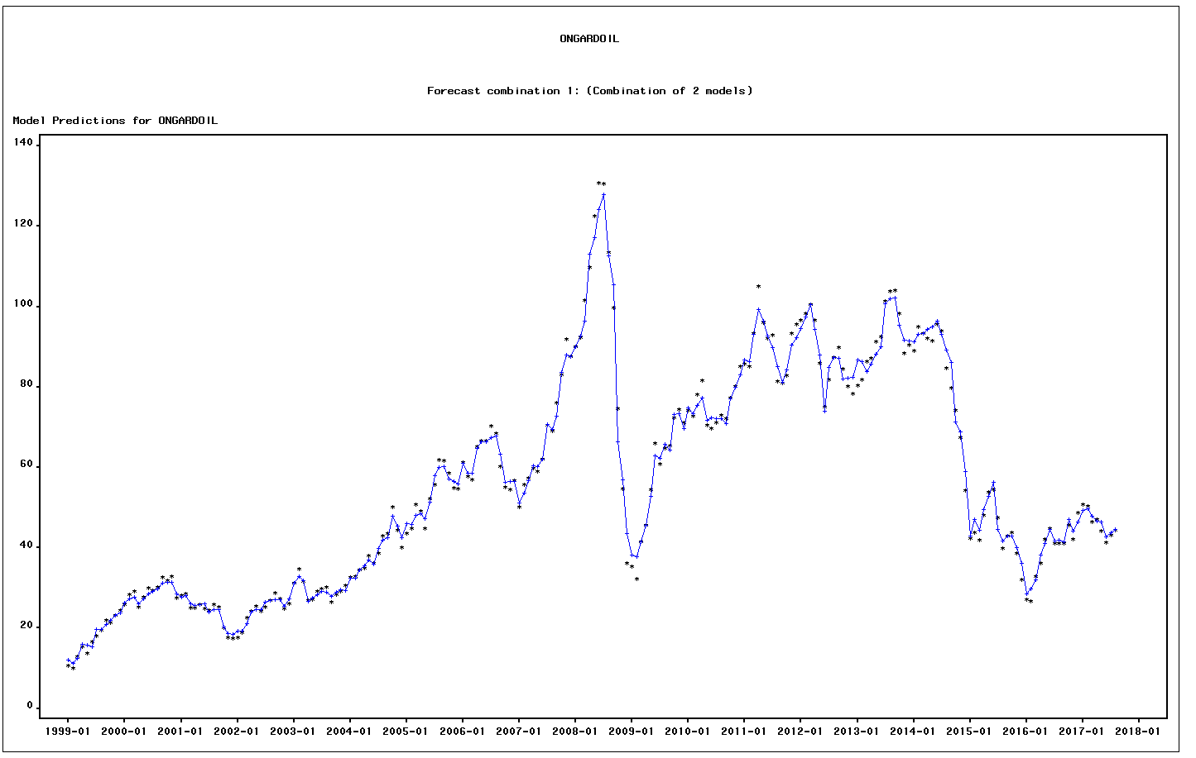

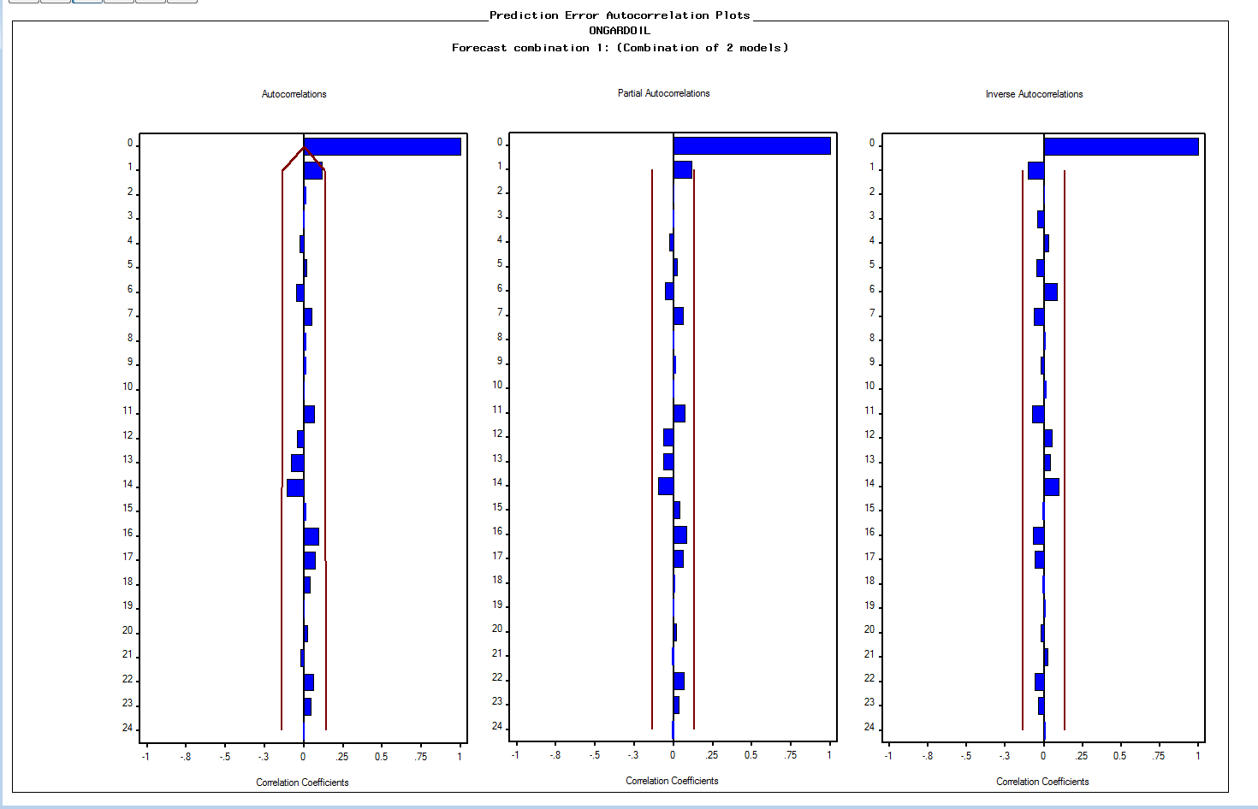

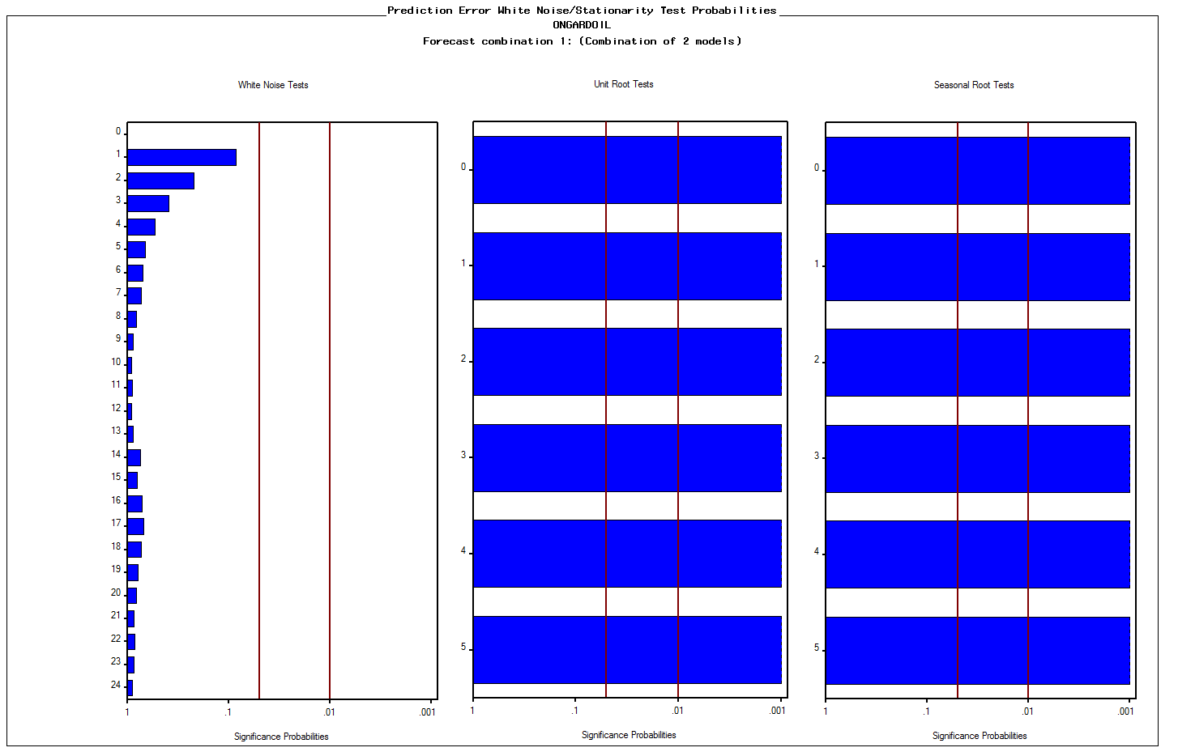

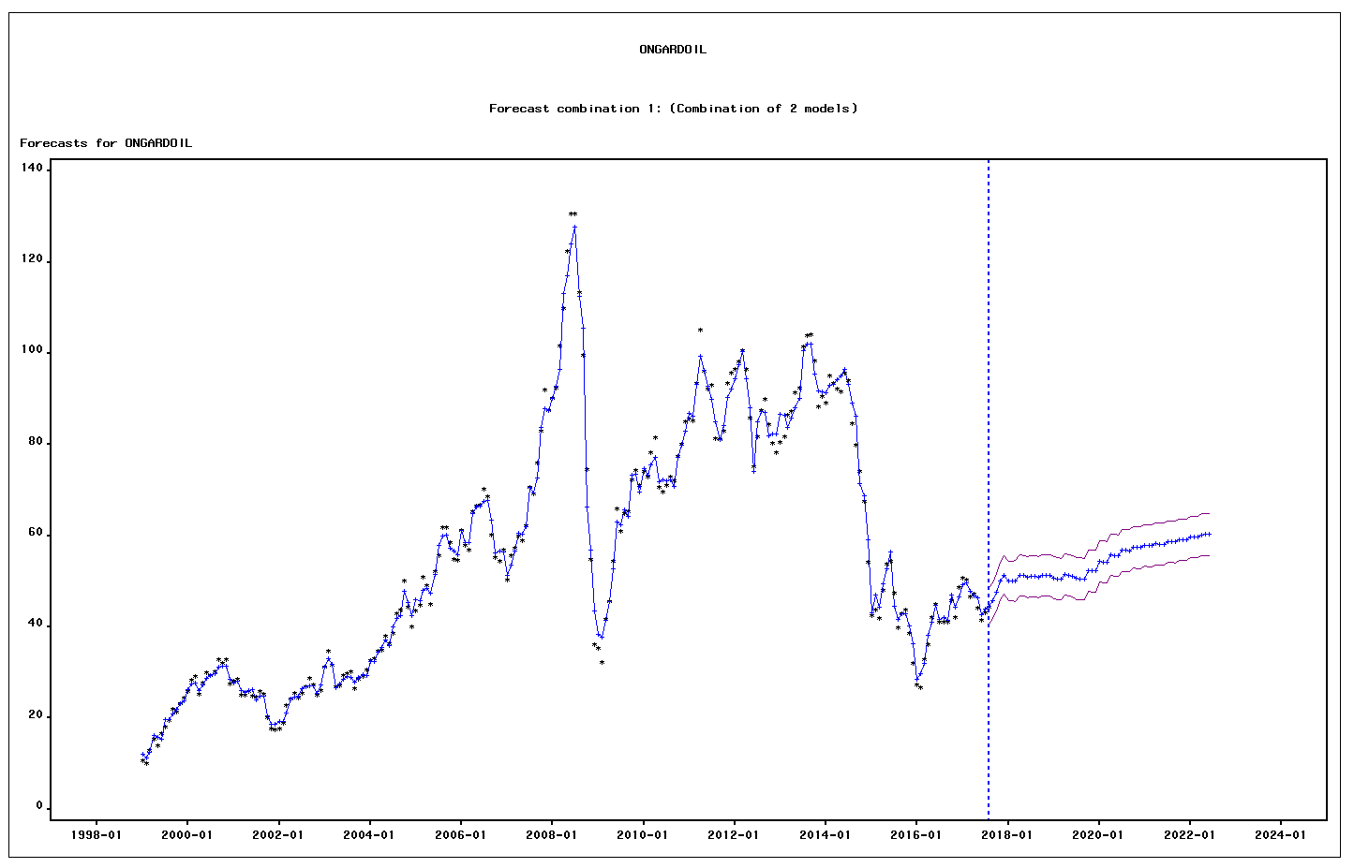

ERROR | UPPER | LOWER
-1.4377893637 | 16.558538802 | 7.4266135169
-1.2546256364 | 15.503465379 | 6.9365292904
0.37532415681 | 16.738962749 | 8.2387074886
-0.71031490304 | 20.259300966 | 11.866293613
-2.0457092386 | 19.99128671 | 11.70245033
1.2564592305 | 19.438585288 | 11.166971984
-1.6014439316 | 23.597581077 | 15.72156076
-0.2236234343 | 23.682370082 | 15.806349766
0.99702401941 | 24.812155122 | 16.936134805
-0.65166308672 | 25.858230981 | 17.982210664
0.018151361698 | 27.165831948 | 19.289811632
0.48555401607 | 27.800177708 | 19.924157391
-0.46701155361 | 30.253128919 | 22.377108602
0.86519957083 | 31.312210087 | 23.436189771
1.4022929022 | 31.590276163 | 23.714255846
-0.78409658794 | 29.964662456 | 22.088642139
0.39550213345 | 31.275458252 | 23.399437936
1.2985834372 | 32.527274784 | 24.651254468
0.10489250203 | 33.153365871 | 25.277345554
0.34430735738 | 33.731004851 | 25.854984535
1.5921512138 | 35.060875234 | 27.184854917
0.52078132136 | 35.312911599 | 27.436891282
1.4461997718 | 35.386031635 | 27.510011318
...

Gas Price Model_Dec2017
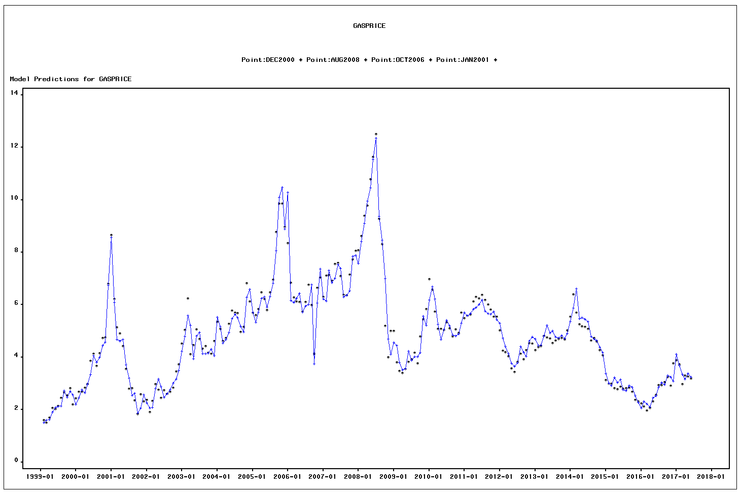

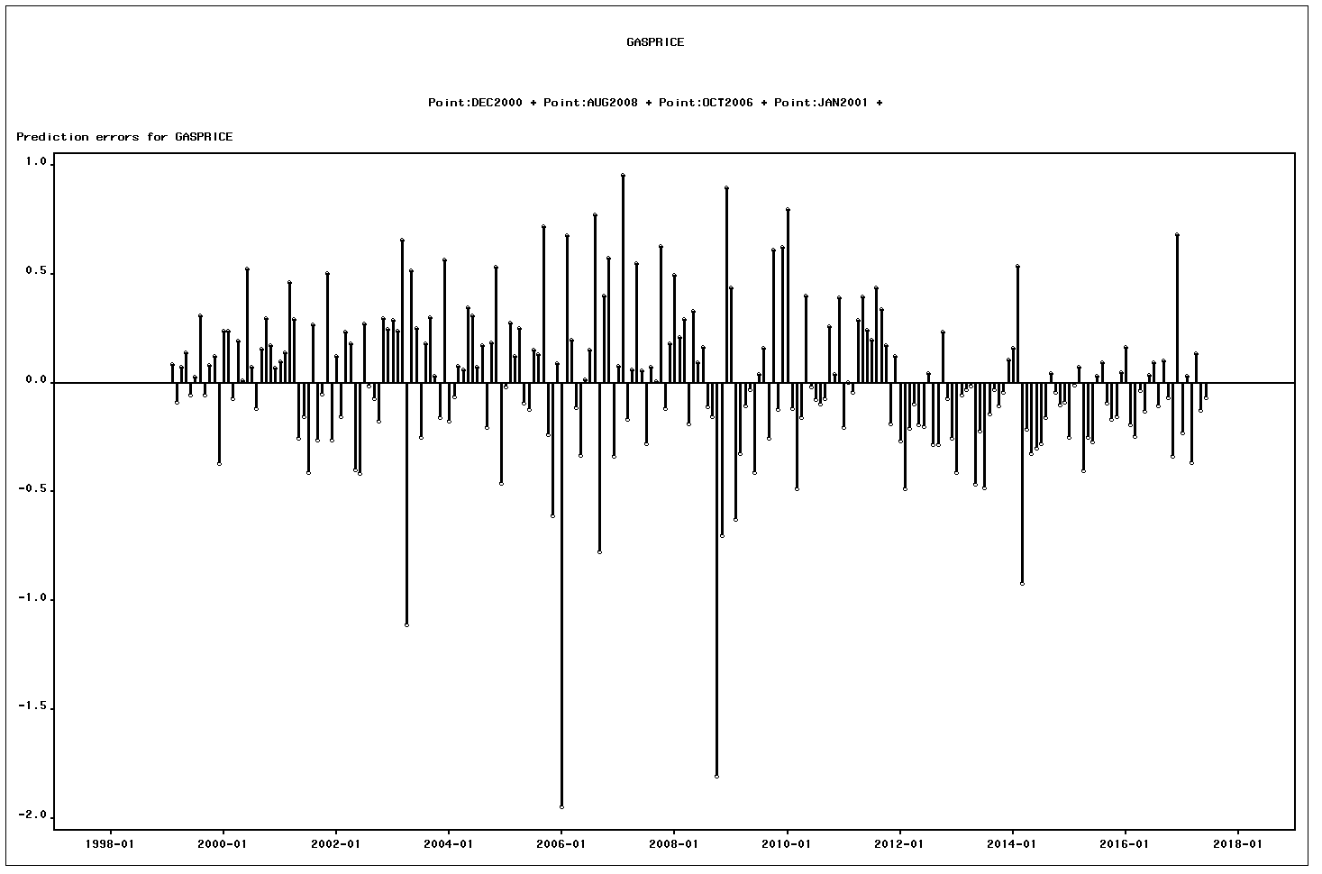
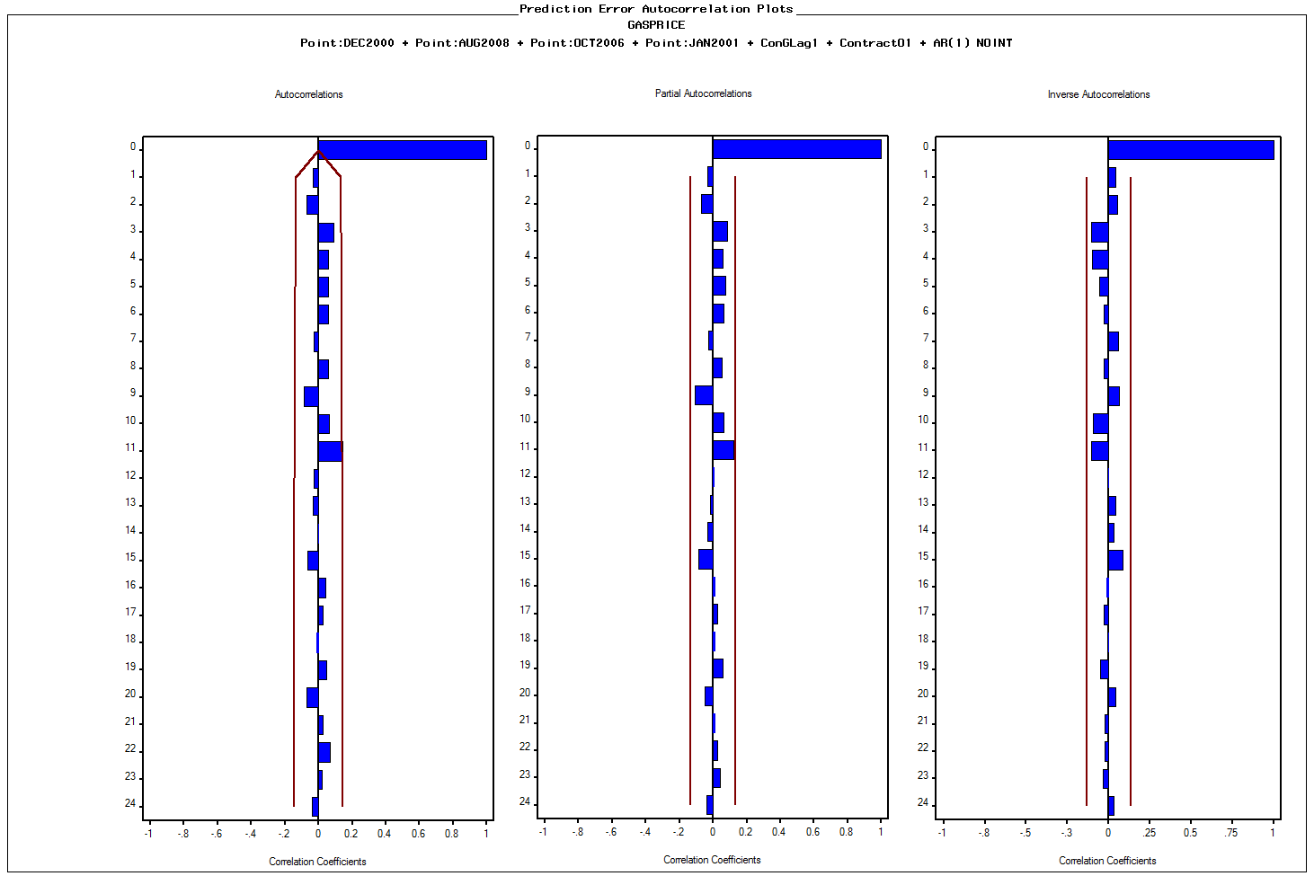

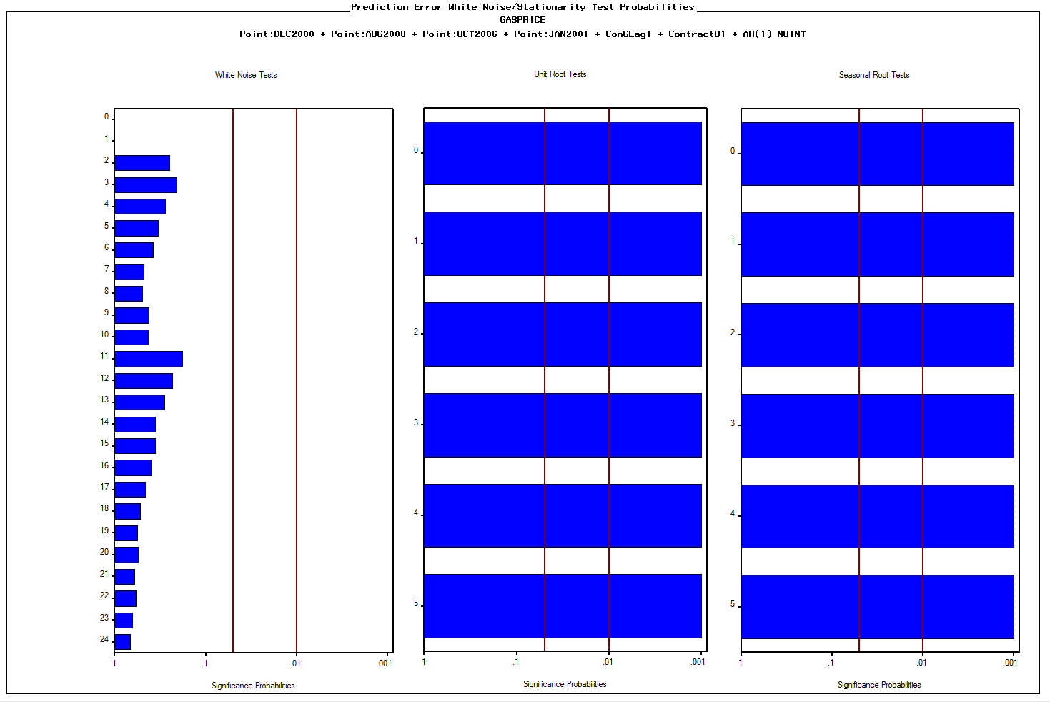

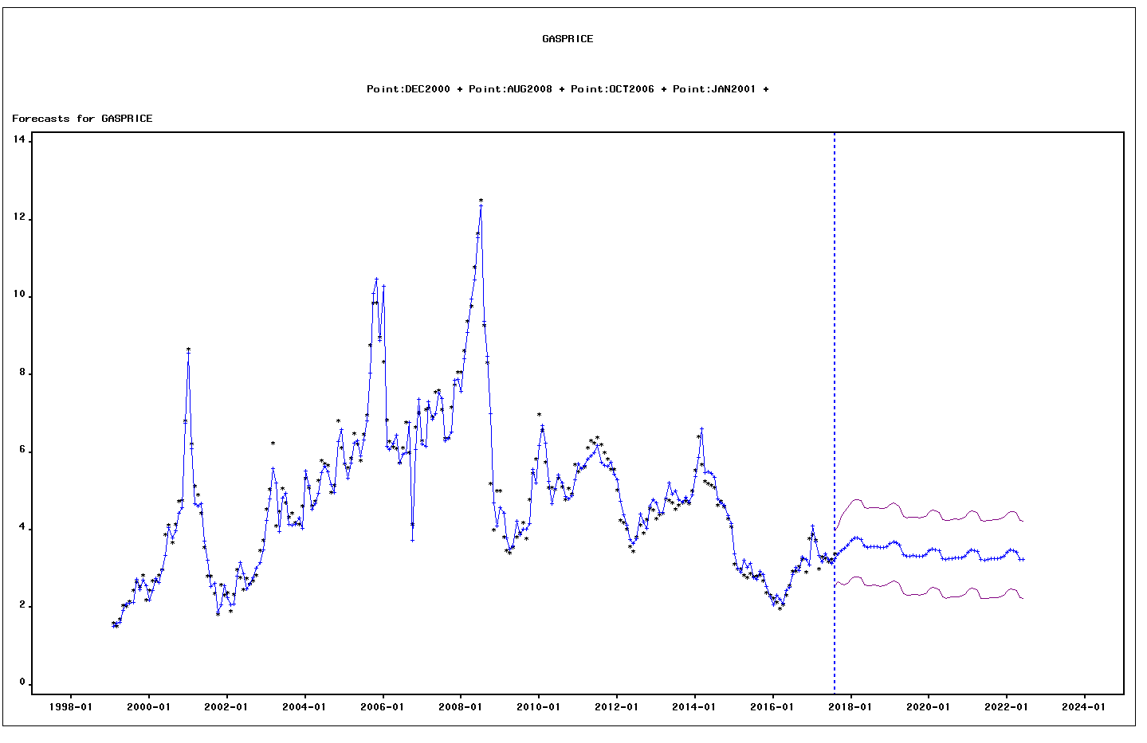

DATE | ACTUAL | PREDICT | UPPER | LOWER | ERROR | STD | NERROR | _INTV1_ | _INTV2_ | _INTV3_ | _INTV4_ | ContractO1 | ConGLag1
1999-02-01 | 1.5930757822 | 1.5093269147 | 2.508240821 | 0.5104130085 | 0.083748867412 | 0.50965931727 | 0.16432323431 | 0 | 0 | 0 | 0 | 12.021052632 | 1.83
1999-03-01 | 1.5109573369 | 1.6015245469 | 2.319564979 | 0.88348411483 | -0.09056721002 | 0.36635389107 | -0.24721236004 | 0 | 0 | 0 | 0 | 14.682173913 | 1.76
1999-04-01 | 1.6956624339 | 1.6234391574 | 2.3414795895 | 0.9053987253 | 0.07222327647 | 0.36635389107 | 0.19714073804 | 0 | 0 | 0 | 0 | 17.302380952 | 1.80
1999-05-01 | 2.0551373468 | 1.9160769573 | 2.6341173893 | 1.1980365252 | 0.13906038955 | 0.36635389107 | 0.37957939834 | 0 | 0 | 0 | 0 | 17.771 | 2.15
 |  |  |  |  |  |  |  | 0 | 0 | 0 | 0 | 17.92 | 2.27
 |  |  |  |  |  |  |  | 0 | 0 | 0 | 0 | 20.095714286 | 2.35
 |  |  |  |  |  |  |  | 0 | 0 | 0 | 0 | 21.279090909 | 2.31
...

